Exportar_resultados_AP
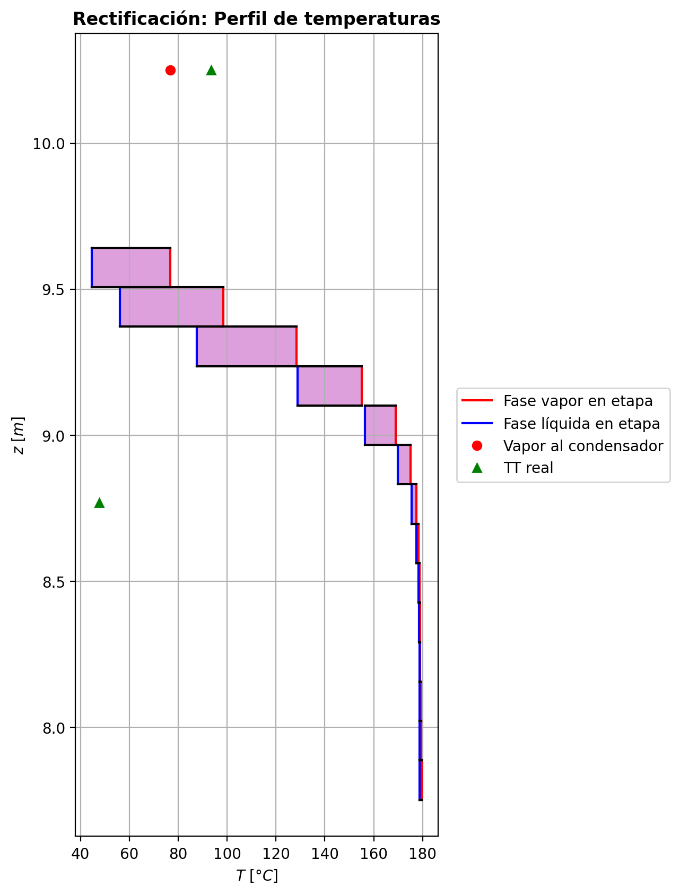
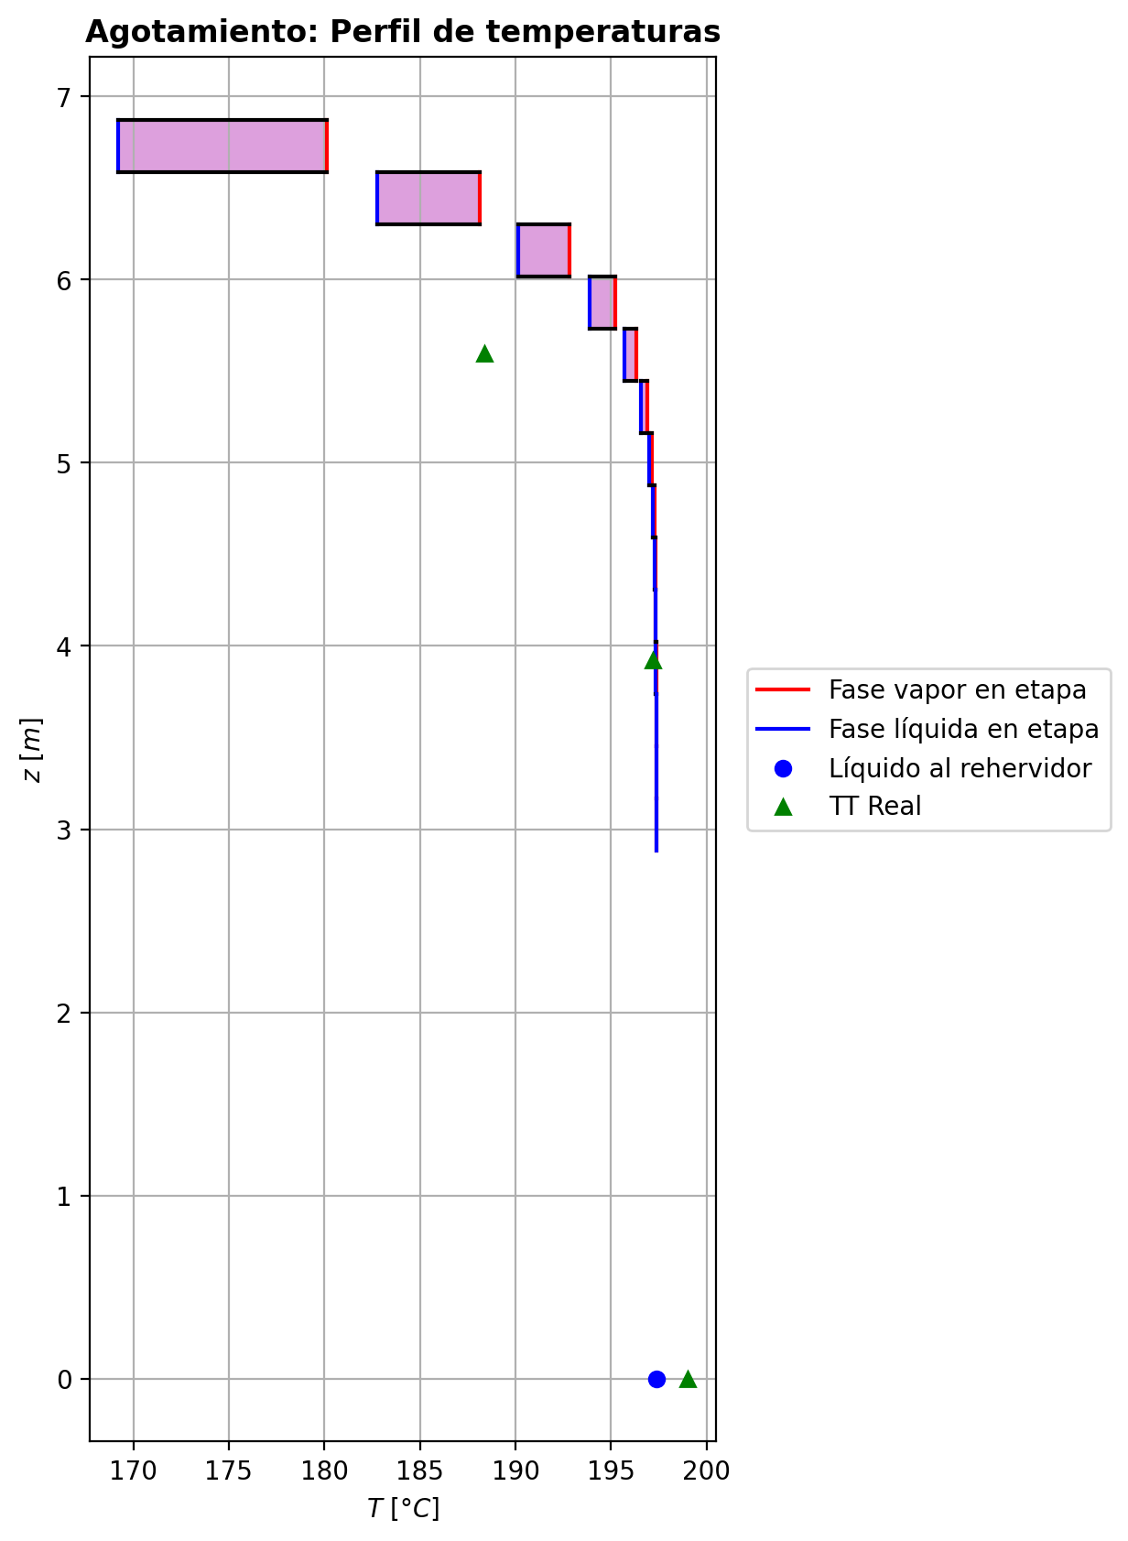
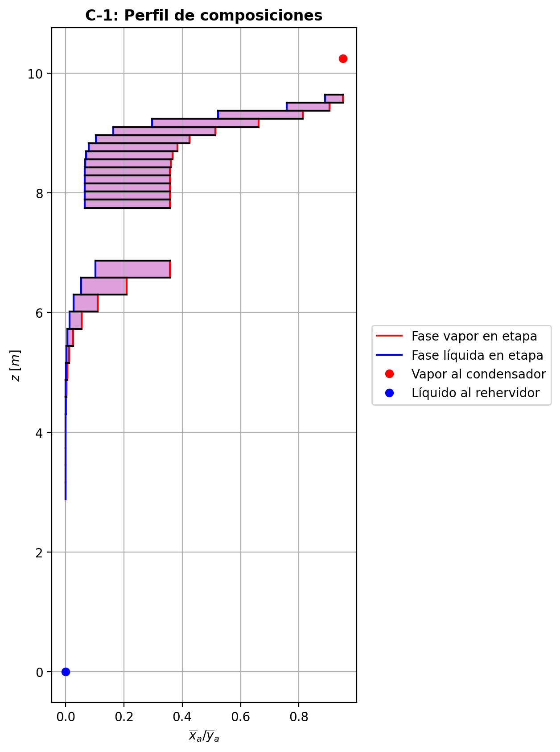
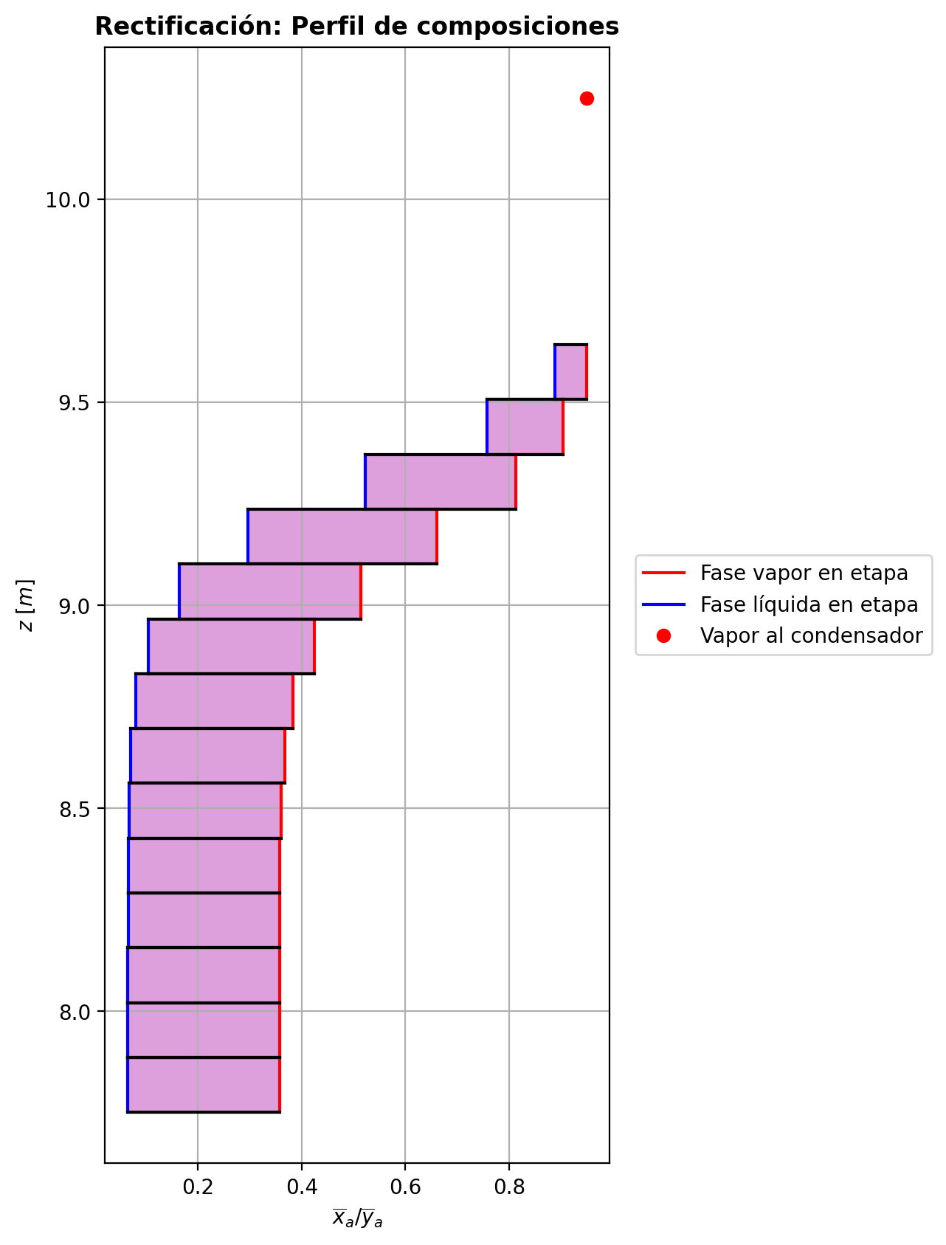
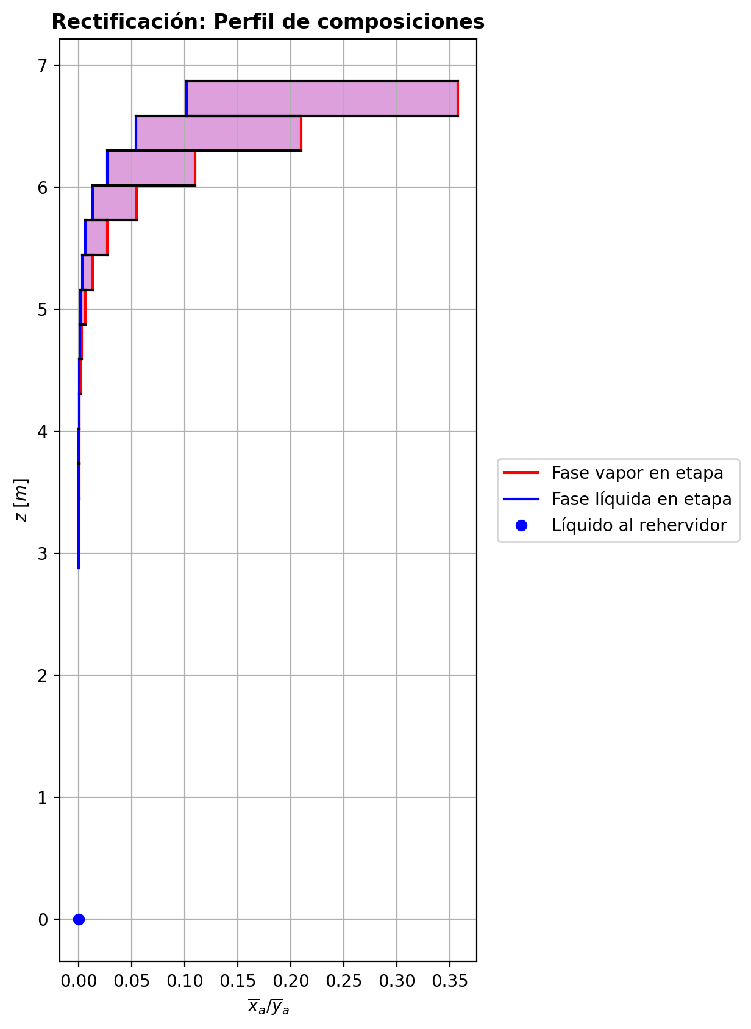
$${\left[N_{t}=N_{a}+N_{w} \right]}_{2}$$
$${\left[N_{t}=N_{a}+N_{w} \right]}_{ps1+ps2−3}$$
$$F_{fría}^{l}+F_{caliente}^{l}=P_{fría}^{l}+P_{caliente}^{l}$$
$${\left[J_{a}^{g}=Γ^{g,b}ρ^{g,b}k_{bm}^{g}a_{ef}A_{tr}Z\left(y_{a}^{b}−y_{a}^{I}\right)\right]}_{2}$$
$${\left(N_{t}\right)}_{2}=V_{3}−V_{2}=L_{2}−{\left(L_{1}−P^{l}\right)}_{E−3}$$
$${\left[J_{a}^{g}=Γ^{g,b}ρ^{g,b}k_{bm}^{g}a_{ef}A_{tr}Z\left(y_{a}^{b}−y_{a}^{I}\right)\right]}_{s}$$
$${\left[N_{t}=N_{a}+N_{w} \right]}_{s}$$
$${\left[J_{a}^{g}=Γ^{g,b}ρ^{g,b}k_{bm}^{g}a_{ef}A_{tr}Z\left(y_{a}^{b}−y_{a}^{I}\right)\right]}_{ps1+ps2−3}$$
Caso | 1 |  |  | Economizador E-1 |  |  |  |  |  |  |  |  | Condensador E-3 (s=1) |  |  |  |  |  |  |  |  | s=2 |  |  |  |  |  |  |  |  |  |  |  |  |  |  | s={3,…,ps1+ps2-4} |  |  |  |  |  |  |  |  |  |  |  |  |  |  |  | s=ps1+ps2-3 |  |  |  |  |  |  |  |  |  |  |  |  |  |  |  |  | Rehervidor E-2 (s=ps1+ps2-2)
ps1 | 16 |  | Representación y balances |  |  |  |  |  |  |  |  |  |  |  |  |  |  |  |  |  |  | Atr [m2] | 0.15904312809 |  |  |  |  |  |  |  |  |  |  |  |  |  | s |  | Atr [m2] | 0.15904312809 |  |  |  |  |  |  |  |  |  |  |  |  | Atr [m2] | 0.15904312809
ps2 | 16 |  |  | Pl [kmol/h]= | 24.8526239 | Fl [kmol/h]= | 31.8674534 | Balance de Masa Total [kmol/h] |  |  |  |  | V2 [kmol/h]= | 30.7436328 |  |  | Balance de Masa Total [kmol/h] |  |  |  |  |  | V2 [kmol/h]= | 30.7436328 |  |  | L1-Pl en E-3 [kmol/h]= | 23.72880324 |  | Balance de Masa Total [kmol/h] |  |  |  |  |  |  |  |  | Vs [kmol/h]= | #VALUE! |  |  | Ls-1 [kmol/h]= | #VALUE! |  | Balance de Masa Total [kmol/h] |  |  |  |  |  |  |  |  | Vps1+ps2-3 [kmol/h]= | 24.7879551 |  |  | Lps1+ps2-4 [kmol/h]= | 49.6405789 |  | Balance de Masa Total [kmol/h] |  |  |  |  |  |  |  | Lps1+ps2-3 [kmol/h]= | 49.6407713 | Vps1+ps2-2 [kmol/h]= | 1.99976154E-10 |  |  | Balance de Masa Total [kmol/h]
$$V_{2}=L_{1}$$
$${\left[J_{a}^{l}=Γ^{l,b}ρ^{l,b}k_{bm}^{l}a_{ef}A_{tr}Z\left(x_{a}^{I}−x_{a}^{b}\right)\right]}_{2}$$
$${\left[J_{a}^{l}=Γ^{l,b}ρ^{l,b}k_{bm}^{l}a_{ef}A_{tr}Z\left(x_{a}^{I}−x_{a}^{b}\right)\right]}_{s}$$
$${\left(N_{t}\right)}_{s}=V_{s+1}−V_{s}=L_{s}−L_{s−1}−F_{s}^{l}$$
$${\left[J_{a}^{l}=Γ^{l,b}ρ^{l,b}k_{bm}^{l}a_{ef}A_{tr}Z\left(x_{a}^{I}−x_{a}^{b}\right)\right]}_{ps1+ps2−3}$$
$${\left(N_{t}\right)}_{ps1+ps2−3}=V_{ps1+ps2−2}−V_{ps1+ps2−3}+F_{ps1+ps2−3}^{g}=L_{ps1+ps2−3}−L_{ps1+ps2−4}−F_{ps1+ps2−3}^{l}$$
$$L_{ps1+ps2−3}=P_{ps1+ps2−2}^{g}+P_{ps1+ps2−2}^{l}+V_{ps1+ps2−2}$$
flowmode1 | MIXED |  |  | T [°C]= | 61.6559126 | T [°C]= | 22 |  |  |  |  |  | T [°C]= | 76.7830449 |  |  |  |  |  |  |  |  | T [°C]= | 76.7830449 |  |  | T [°C]= | 40.2249192 |  |  |  |  |  |  |  |  |  |  | T [°C]= | #VALUE! |  |  | T [°C]= | #VALUE! |  |  |  |  |  |  |  |  |  |  | T [°C]= | 197.374009 |  |  | T [°C]= | 197.369841 |  |  |  |  |  |  |  |  |  | T [°C]= | 197.373055 | T [°C]= | 197.373054 | Pg [kmol/h]= | 24.7881474
$${\left[Q^{g}=k_{h}^{g}a_{ef}A_{tr}Z\left(T^{g,b}−T^{I}\right)\right]}_{2}$$
$${\left[Q^{g}=k_{h}^{g}a_{ef}A_{tr}Z\left(T^{g,b}−T^{I}\right)\right]}_{s}$$
$${\left[Q^{g}=k_{h}^{g}a_{ef}A_{tr}Z\left(T^{g,b}−T^{I}\right)\right]}_{ps1+ps2−3}$$
$${f_{v}\left(L−P^{l}\right)}_{ps1+ps2−2}=P_{ps1+ps2−2}^{g}$$
flowmode2 | MIXED |  |  | P [bar]= | 14.7096023 | P [bar]= | 18.6326 |  | 56.7200773 | = | 56.7200773 |  | P [bar]= | 14.7091358 |  |  |  | 30.7436328 | = | 30.7436328 |  |  | P [bar]= | 14.7091358 |  |  | P [bar]= | 14.7091358 |  |  | -2.85697536 | = | -2.8569754 | = | -2.85697534 |  |  |  | P [bar]= | #VALUE! |  |  | P [bar]= | #VALUE! |  |  | #VALUE! | = |  | = | #VALUE! |  |  |  | P [bar]= | 14.7136178 |  |  | P [bar]= | 14.7133905 |  |  |  | 0.000192335084 | = | 0.00019230019997 | = | 0.0001924 |  | P [bar]= | 14.7136178 | P [bar]= | 14.7138451 | T [°C]= | 197.375315
$${\left[Q^{l}=k_{h}^{l}a_{ef}A_{tr}Z\left(T^{I}−T^{l,b}\right)\right]}_{2}$$
$${\left[Q^{l}=k_{h}^{l}a_{ef}A_{tr}Z\left(T^{I}−T^{l,b}\right)\right]}_{s}$$
$${\left[Q^{l}=k_{h}^{l}a_{ef}A_{tr}Z\left(T^{I}−T^{l,b}\right)\right]}_{ps1+ps2−3}$$
simtype | 0 |  |  | xa molar= | 7.25752127E-06 | xa molar= | 0.209145562 |  |  |  |  |  | ya molar= | 0.950095227 |  |  |  |  |  |  |  | z top [m]= | ya molar= | 0.950095227 |  |  | xa molar= | 0.950095227 |  |  |  |  |  |  |  |  |  | z top [m]= | ya molar= | #VALUE! |  |  | xa molar= | #VALUE! |  |  |  |  |  |  |  |  |  | z top [m]= | ya molar= | 2.66221453E-05 |  |  | xa molar= | 1.69271748E-05 |  |  |  |  |  |  |  |  |  | xa molar= | 7.26048124E-06 | ya molar= | 4.55913985E-05 | P [bar]= | 14.7138451 |  |  | 49.6407713 | = | 49.6407713
$${\left(N_{a}\right)}_{ps1+ps2−3}={\left(Vy_{a}\right)}_{ps1+ps2−2}−{\left(Vy_{a}\right)}_{ps1+ps2−3}+{\left(F^{g}y_{a}\right)}_{ps1+ps2−3}={\left(Lx_{a}\right)}_{ps1+ps2−3}−{\left(Lx_{a}\right)}_{ps1+ps2−4}−{\left(F^{l}x_{a}\right)}_{ps1+ps2−3}$$
pborde1 | - |  |  | h [kJ/kmol]= | -283047.314 | h [kJ/kmol]= | -243450.458 | Balance de Masa Amoníaco [kmol/h] |  |  |  |  | h [kJ/kmol]= | -54920.1296 |  |  | Balance de Masa Amoníaco [kmol/h] |  |  |  |  | 9.6416 | h [kJ/kmol]= | -54920.1296 |  |  | h [kJ/kmol]= | -77354.8127 |  | Balance de Masa Amoníaco [kmol/h] |  |  |  |  |  |  |  | #VALUE! | h [kJ/kmol]= | #VALUE! |  |  | h [kJ/kmol]= | #VALUE! |  | Balance de Masa Amoníaco [kmol/h] |  |  |  |  |  |  |  | 3.1656 | h [kJ/kmol]= | -237445.897 |  |  | h [kJ/kmol]= | -272576.447 |  | Balance de Masa Amoníaco [kmol/h] |  |  |  |  |  |  |  | h [kJ/kmol]= | -272578.216 | h [kJ/kmol]= | -237442.202 | ya molar= | 7.26353885E-06 |  |  | 24.78814734 | = | 24.7881474
$${\left(F^{l}x_{a,F}\right)}_{fría}+{\left(F^{l}x_{a,F}\right)}_{caliente}={\left(P^{l}x_{a,P}\right)}_{fría}+{\left(P^{l}x_{a,P}\right)}_{caliente}$$
$${\left(Vy_{a}\right)}_{2}={\left(Lx_{a}\right)}_{1}$$
$${\left(N_{a}\right)}_{2}={\left(Vy_{a}\right)}_{3}−{\left(Vy_{a}\right)}_{2}={\left(Lx_{a}\right)}_{2}−{\left[\left(L_{1}−P^{l}\right)x_{a}\right]}_{E−3}$$
$${\left(N_{a}\right)}_{s}={\left(Vy_{a}\right)}_{s+1}−{\left(Vy_{a}\right)}_{s}={\left(Lx_{a}\right)}_{s}−{\left(Lx_{a}\right)}_{s−1}−{\left(F^{l}x_{a}\right)}_{s}$$
nborde1 | - |  |  |  |  |  |  |  |  |  |  |  |  |  |  |  |  |  |  |  |  |  |  |  | TI [°C]= | 44.9471125 |  |  |  |  |  |  |  |  |  |  | NO APLICA |  |  |  | TI [°C]= | #VALUE! |  |  |  |  |  |  |  |  |  |  | NO APLICA |  |  |  | TI [°C]= | 197.373131 |  |  |  |  |  |  |  |  |  |  |  |  |  |  |  | h [kJ/kmol]= | -237449.71157
$${\left(N_{a}\right)}_{2}={\left(J_{a}^{g}\right)}_{2}+{\left(N_{t}y_{a}^{b}\right)}_{2}={\left(J_{a}^{l}\right)}_{2}+{\left(N_{t}x_{a}^{b}\right)}_{2}$$
$${\left(N_{a}\right)}_{s}={\left(J_{a}^{g}\right)}_{s}+{\left(N_{t}y_{a}^{b}\right)}_{s}={\left(J_{a}^{l}\right)}_{s}+{\left(N_{t}x_{a}^{b}\right)}_{s}$$
$${\left(N_{a}\right)}_{ps1+ps2−3}={\left(J_{a}^{g}\right)}_{ps1+ps2−3}+{\left(N_{t}y_{a}^{b}\right)}_{ps1+ps2−3}={\left(J_{a}^{l}\right)}_{ps1+ps2−3}+{\left(N_{t}x_{a}^{b}\right)}_{ps1+ps2−3}$$
pborde2 | - |  |  |  |  |  |  |  | 6.6651168193 | = | 6.6651168193 |  |  |  |  |  |  | 29.209378784 | = | 29.209378784 |  |  | V2b [kmol/h]= | 30.7436328 | yaI molar= | 0.999590613 | L2b [kmol/h]= | 20.8718279 |  |  |  |  |  |  |  |  | Fl Alimentación [kmol/h]= | #VALUE! | Vsb [kmol/h]= | #VALUE! | yaI molar= | #VALUE! | Lsb [kmol/h]= | #VALUE! |  |  |  |  |  |  |  |  | Fl Alimentación [kmol/h]= | - | Vps1+ps2-3b [kmol/h]= | 24.7879551 | yaI molar= | 4.02568959E-05 | Lps1+ps2-3b [kmol/h]= | 49.6407713 |  |  |  |  |  |  |  |  |  |  |  |  |  |  |  | Balance de Masa Amoníaco [kmol/h]
$${\left(Lx_{a}\right)}_{ps1+ps2−3}={\left(P^{g}y_{a}\right)}_{ps1+ps2−2}+{\left(P^{l}y_{a}\right)}_{ps1+ps2−2}+{\left(Vy_{a}\right)}_{ps1+ps2−2}$$
nborde2 | - |  |  | Q̇ [kJ/h]= |  |  |  |  |  |  |  |  | Q̇ [kJ/h]= |  |  |  |  |  |  |  |  |  | Tg,b [°C]= | 76.7830449 | xaI molar= | 0.860634794 | Tl,b [°C]= | 44.7035081 |  |  | -3.9909893 | = | -3.9909893529 | = | -3.9909892987 |  | T [°C]= | #VALUE! | Tg,b [°C]= | #VALUE! | xaI molar= | #VALUE! | Tl,b [°C]= | #VALUE! |  |  | #VALUE! | = |  | = | #VALUE! |  | T [°C]= | - | Tg,b [°C]= | 197.374009 | xaI molar= | 6.40824523E-06 | Tl,b [°C]= | 197.373055 |  |  |  | -0.00047985887 | = | -0.00047985887069 | = | -0.00047985886745
$$\dot{Q}={{\left(P^{l}h_{P}\right)}_{fría}−\left(F^{l}h_{F}\right)}_{fría}$$
$${\left[\left(L−P^{l}\right)x_{a}\right]}_{ps1+ps2−2}={\left(P^{g}y_{a}\right)}_{ps1+ps2−2}+{\left[\left(L−P^{l}−P^{g}\right)x_{a}\right]}_{ps1+ps2−2}$$
Molar RR | 3.38266284 |  |  | 260184.538 |  |  |  | Balance de Energía [kJ/h] |  |  |  |  | 689723.659 |  |  |  | Balance de Energía [kJ/h] |  |  |  |  |  | P [bar]= | 14.7091358 | Na [kmol/h]= | -3.9909893 | P [bar]= | 14.7091358 |  |  | -3.9909893 | = | -3.9909893 | = | -3.9909893 |  | P [bar]= | #VALUE! | P [bar]= | #VALUE! | Na [kmol/h]= | #VALUE! | P [bar]= | #VALUE! |  |  | #VALUE! | = | #VALUE! | = | #VALUE! |  | P [bar]= | - | P [bar]= | 14.7136178 | Na [kmol/h]= | -0.00047985887 | P [bar]= | 14.7136178 |  |  |  | -0.00047985887 | = | -0.00047985887 | = | -0.00047985887 |  |  |  | Lps1+ps2-2-Pl-Pg [kmol/h]= | 0.0248129
$$\dot{Q}={\left(Vh\right)}_{2}−{\left(Lh\right)}_{1}$$
Molar BR | 0.997405648 |  |  |  |  |  |  |  |  |  |  |  |  |  |  |  |  |  |  |  |  |  | yab molar= | 0.950095227 | Nw [kmol/h]= | 1.13401394 | xab molar= | 0.888931889 |  |  |  |  |  |  |  |  | xa molar= | #VALUE! | yab molar= | #VALUE! | Nw [kmol/h]= | #VALUE! | xab molar= | #VALUE! |  |  |  |  |  |  |  |  | xa molar= | - | yab molar= | 2.66221453E-05 | Nw [kmol/h]= | 0.000672193954 | xab molar= | 7.26048124E-06 |  |  |  |  |  |  |  |  |  |  |  | T [°C]= | 197.375315 |  |  |  |  | 0.00036041588876 | = | 0.00036041811824
$$\dot{Q}={\left(F^{l}h_{F}\right)}_{caliente}−{\left(P^{l}h_{P}\right)}_{caliente}$$
$$E_{ps1+ps2−3}={\left(Vh\right)}_{ps1+ps2−2}−{\left(Vh\right)}_{ps1+ps2−3}+{\left(F^{g}h\right)}_{ps1+ps2−3}={\left(Lh\right)}_{ps1+ps2−3}−{\left(Lh\right)}_{ps1+ps2−4}−{\left(F^{l}h\right)}_{ps1+ps2−3}$$
Molar fv Reboiler | 0.999 |  |  |  |  |  |  |  |  |  |  |  | L1 [kmol/h]= | 30.7436328 |  |  |  | 689723.659 | = | 689723.65921 |  |  |  |  | Nt [kmol/h]= | -2.85697536 |  |  |  | Balance de Energía [kJ/h] |  |  |  |  |  |  | h [kJ/kmol]= | #VALUE! |  |  | Nt [kmol/h]= | #VALUE! |  |  |  | Balance de Energía [kJ/h] |  |  |  |  |  |  | h [kJ/kmol]= | - |  |  | Nt [kmol/h]= | 0.000192335084 |  |  |  | Balance de Energía [kJ/h] |  |  |  |  |  |  |  |  |  | P [bar]= | 14.7138451 |  |  |  |  | 0.00018007836093 | = | 0.00018007836127
$$E_{2}={\left(Vh\right)}_{3}−{\left(Vh\right)}_{2}={\left(Lh\right)}_{2}−{\left[\left(L_{1}−P^{l}\right)h\right]}_{E−3}$$
$$E_{s}={\left(Vh\right)}_{s+1}−{\left(Vh\right)}_{s}={\left(Lh\right)}_{s}−{\left(Lh\right)}_{s−1}−{\left(F^{l}h\right)}_{s}$$
$$E_{ps1+ps2−3}={\left(Q^{g}\right)}_{ps1+ps2−3}+{\left(ΣN_{i}{\hat{h}}_{i}^{g,b}\right)}_{ps1+ps2−3}={\left(Q^{l}\right)}_{ps1+ps2−3}+{\left(ΣN_{i}{\hat{h}}_{i}^{l,b}\right)}_{ps1+ps2−3}$$
Mass xa Distillate | 0.947361584 |  |  | Fl=Pl en E-2 [kmol/h]= | 24.8526239 | Pl=Fl Alimentación [kmol/h]= | 31.8674534 |  | 260184.538 | = | 260184.53202 |  | T [°C]= | 40.2249192 |  |  |  |  |  |  |  |  |  |  | E [kJ/h]= | -68283.4243 |  |  |  |  |  |  |  |  |  |  |  |  |  |  | E [kJ/h]= | #VALUE! |  |  |  |  |  |  |  |  |  |  |  |  |  |  | E [kJ/h]= | -140.220319 |  |  |  |  |  |  |  |  |  |  |  |  |  | xa molar= | 1.15623775E-06
$$E_{2}={\left(Q^{g}\right)}_{2}+{\left(ΣN_{i}{\hat{h}}_{i}^{g,b}\right)}_{2}={\left(Q^{l}\right)}_{2}+{\left(ΣN_{i}{\hat{h}}_{i}^{l,b}\right)}_{2}$$
$$E_{s}={\left(Q^{g}\right)}_{s}+{\left(ΣN_{i}{\hat{h}}_{i}^{g,b}\right)}_{s}={\left(Q^{l}\right)}_{s}+{\left(ΣN_{i}{\hat{h}}_{i}^{l,b}\right)}_{s}$$
Mass xa Bottoms | 6.86082595E-06 |  |  | T [°C]= | 197.373054 | T [°C]= | 118.391337 |  | 260184.538 | = | 260184.55517 |  | P [bar]= | 14.7091358 |  |  | Relación |  |  |  |  | z lower [m]= | V3 [kmol/h]= | 27.8866574 |  |  | L2 [kmol/h]= | 20.8718279 |  |  |  |  |  |  |  |  |  | z lower [m]= | Vs+1 [kmol/h]= |  |  |  | Ls [kmol/h]= | #VALUE! |  |  |  |  |  |  |  |  |  | z lower [m]= | Vps1+ps2-2 [kmol/h]= | 1.99976154E-10 | Fg=Pg en E-2 [kmol/h]= | 24.7881474 | Lps1+ps2-3 [kmol/h]= | 49.6407713 |  |  |  |  |  |  |  |  |  |  |  | h [kJ/kmol]= | -272579.31452 |  | Q̇ [kJ/h]= | Balance de Energía [kJ/h]
$$RR=\frac{L_{1}−{\left(P^{l}\right)}_{1}}{{\left(P^{l}\right)}_{1}}$$
$${\left(Lh\right)}_{ps1+ps2−3}={\left(P^{g}h\right)}_{ps1+ps2−2}+{\left(P^{l}h\right)}_{ps1+ps2−2}+{\left(Vh\right)}_{ps1+ps2−2}−\dot{Q}$$
 |  |  |  | P [bar]= | 14.7138451 | P [bar]= | 18.6234701 |  |  |  |  |  | xa molar= | 0.950095227 |  |  |  |  |  |  |  | 9.5066 | T [°C]= | 98.3898282 |  |  | T [°C]= | 44.7035081 |  |  | -68283.4243 | = | -68283.420921 | = | -68283.426976 |  |  | #VALUE! | T [°C]= |  |  |  | T [°C]= | #VALUE! |  |  | #VALUE! | = |  | = | #VALUE! |  |  | 2.8806 | T [°C]= | 197.373054 | T [°C]= | 197.375315 | T [°C]= | 197.373055 |  |  |  | -140.220319 | = | -140.21704761 | = | -140.25823283 |  |  |  |  |  |  | 870770.536
$$\dot{Q}={\left(P^{g}h\right)}_{ps1+ps2−2}−{\left[\left(L−P^{l}\right)h\right]}_{ps1+ps2−2}+{\left[\left(L−P^{l}−P^{g}\right)h\right]}_{ps1+ps2−2}$$
 |  |  |  | xa molar= | 7.25752127E-06 | xa molar= | 0.209145562 |  |  |  |  |  | h [kJ/kmol]= | -77354.8127 |  |  |  | 3.38266284 | = | 3.3826628341 |  |  | P [bar]= | 14.7092699 |  |  | P [bar]= | 14.7091358 |  |  | -68283.4243 | = | -68283.4243 | = | -68283.42428 |  |  |  | P [bar]= |  |  |  | P [bar]= | #VALUE! |  |  | #VALUE! | = | #VALUE! | = | #VALUE! |  |  |  | P [bar]= | 14.7138451 | P [bar]= | 14.7138451 | P [bar]= | 14.7136178 |  |  |  | -140.220319 | = | -140.22031948 | = | -140.2203196
 |  |  |  | h [kJ/kmol]= | -272578.216 | h [kJ/kmol]= | -235285.873 |  |  |  |  |  |  |  |  |  |  |  |  |  |  | Z [m]= | ya molar= | 0.904317397 |  |  | xa molar= | 0.888931889 |  |  |  |  |  |  |  |  |  | Z [m]= | ya molar= |  |  |  | xa molar= | #VALUE! |  |  |  |  |  |  |  |  |  | Z [m]= | ya molar= | 4.55913985E-05 | ya molar= | 7.26353885E-06 | xa molar= | 7.26048124E-06 |  |  |  |  |  |  |  |  |  |  |  |  |  |  |  |  |  | -13530992.882 | = | -13530992.872
 |  |  |  |  | Caliente | Fría |  |  |  |  |  |  | L1-Pl [kmol/h]= | 23.72880324 | Pl [kmol/h]= | 7.01482956 |  |  |  |  |  | 0.135 | h [kJ/kmol]= | -62995.2774 |  |  | h [kJ/kmol]= | -91214.8455 |  |  |  |  |  |  |  |  |  | #VALUE! | h [kJ/kmol]= |  |  |  | h [kJ/kmol]= | #VALUE! |  |  |  |  |  |  |  |  |  | 0.285 | h [kJ/kmol]= | -237442.202 | h [kJ/kmol]= | -237449.71157 | h [kJ/kmol]= | -272578.216 |  |  |  |  |  |  |  |  |  | Pl [kmol/h]= | 24.8526239 | Lps1+ps2-2-Pl [kmol/h]= | 24.8129603 |  |  |  |  | 870770.536 | = | 870770.54131
 |  |  |  |  |  |  |  |  |  |  |  |  | T [°C]= | 40.2249192 | T [°C]= | 40.2249192 |  |  |  |  |  |  |  | Vapor |  |  | Líquido |  |  |  |  |  |  |  |  |  |  |  |  | Vapor |  |  | Líquido |  |  |  |  |  |  |  |  |  |  |  |  | Vapor |  |  | Líquido |  |  |  |  |  |  |  |  |  |  | T [°C]= | 197.373054 | T [°C]= | 197.373054
$$f_{v}=\frac{P_{ps1+ps2−2}^{g}}{{\left(L−P^{l}\right)}_{ps1+ps2−2}}$$
 |  |  |  |  |  |  |  |  |  |  |  |  | P [bar]= | 14.7091358 | P [bar]= | 14.7091358 |  |  |  |  |  | Transferencia de masa y calor |  |  |  |  |  |  |  |  |  |  |  |  |  |  |  | Transferencia de masa y calor |  |  |  |  |  |  |  |  |  |  |  |  |  |  |  | Transferencia de masa y calor |  |  |  |  |  |  |  |  |  |  |  |  |  |  |  | P [bar]= | 14.7138451 | P [bar]= | 14.7138451 |  |  | Relación
$$BR=\frac{P_{ps1+ps2−2}^{g}}{P_{ps1+ps2−2}^{l}}$$
 |  |  |  |  |  |  |  |  |  |  |  |  | xa molar= | 0.950095227 | xa molar= | 0.950095227 |  |  |  |  |  | Difusión |  | Convección |  | aef [m2/m3] | 517.70500211 | khg [kJ/h·m2·°C] | 78.57121716 |  |  |  |  |  |  |  |  | Difusión |  | Convección |  | aef [m2/m3] | #VALUE! | khg [kJ/h·m2·°C] | #VALUE! |  |  |  |  |  |  |  |  | Difusión |  | Convección |  | aef [m2/m3] | 424.03495911 | khg [kJ/h·m2·°C] | 57.26443968 |  |  |  |  |  |  |  |  | xa molar= | 7.25752127E-06 | xa molar= | 7.25743155E-06
 |  |  |  |  |  |  |  |  |  |  |  |  | h [kJ/kmol]= | -77354.8127 | h [kJ/kmol]= | -77354.8127 |  |  |  |  |  | Jag [kmol/h]= | -1.2765906468 | Ntyab [kmol/h]= | -2.7143986532 | kbmg [m/h] | 3.8949320768 | khl [kJ/h·m2·°C] | 2873.0270088 |  |  |  |  |  |  |  |  | Jag [kmol/h]= | #VALUE! | Ntyab [kmol/h]= | #VALUE! | kbmg [m/h] | #VALUE! | khl [kJ/h·m2·°C] | #VALUE! |  |  |  |  |  |  |  |  | Jag [kmol/h]= | -0.00047986399037 | Ntyab [kmol/h]= | 5.1203725525E-09 | kbmg [m/h] | 4.426483992 | khl [kJ/h·m2·°C] | 8845.249896 |  |  |  |  |  |  |  |  | h [kJ/kmol]= | -272578.216 | h [kJ/kmol]= | -272578.21692
 |  |  |  |  |  |  |  |  |  |  |  |  |  |  |  |  |  |  |  |  |  | Jal [kmol/h]= | -1.4513327964 | Ntxab [kmol/h]= | -2.5396565036 | kbml [m/h] | 0.11327746011 |  |  |  |  |  |  |  |  |  |  | Jal [kmol/h]= | #VALUE! | Ntxab [kmol/h]= | #VALUE! | kbml [m/h] | #VALUE! |  |  |  |  |  |  |  |  |  |  | Jal [kmol/h]= | -0.00047986026645 | Ntxab [kmol/h]= | 1.3964452692E-09 | kbml [m/h] | 0.60821564036 |  |  |  |  |  |  |  |  |  |  |  |  |  |  |  |  |  |  | 0.997405648 | = | 0.99740564617
 |  |  |  |  |  |  |  |  |  |  |  |  | Nota: En lo exportado de Aspen Plus, deben ser iguales las propiedades en la salida líquida (al ser un divisor). Se usan promedios en T, P, xa y h en L1-Pl para validarlo. |  |  |  |  |  |  |  |  | Qg [kJ/h]= | 27804.3082 | ΣNiĥig,b [kJ/h]= | -96087.7325 | Γg,b | 1.0586319805 |  |  |  |  |  |  |  |  |  |  | Qg [kJ/h]= | #VALUE! | ΣNiĥig,b [kJ/h]= | #VALUE! | Γg,b | #VALUE! |  |  |  |  |  |  |  |  |  |  | Qg [kJ/h]= | 0.966423524 | ΣNiĥig,b [kJ/h]= | -141.186743 | Γg,b | 0.99999726256 |  |  |  |  |  |  |  |  |  |  | Q̇ [kJ/h] mediante la suposición de estado cuasi-estacionario del aceite térmico= |  |  |  |  | 895784.76622 |  |  | 0.999 | = | 0.99900000243
$$\dot{Q}={\overline{L}}_{t66}\left[{\overline{h}}_{t66}\left(TT−6\right)−{\overline{h}}_{t66}\left(TT−7\right)\right]$$
 |  |  |  |  |  |  |  |  |  |  |  |  |  |  |  |  |  |  |  |  |  | Ql [kJ/h]= | 7779.57432 | ΣNiĥil,b [kJ/h]= | -76062.9986 | Γl,b | 1.1057443005 |  |  |  |  |  |  |  |  |  |  | Ql [kJ/h]= | #VALUE! | ΣNiĥil,b [kJ/h]= | #VALUE! | Γl,b | #VALUE! |  |  |  |  |  |  |  |  |  |  | Ql [kJ/h]= | 12.8927444 | ΣNiĥil,b [kJ/h]= | -153.113064 | Γl,b | 1.0000142838
 |  |  |  |  |  |  |  |  |  |  |  |  |  |  |  |  |  |  |  |  |  |  |  |  |  |  |  |  |  |  |  |  |  |  |  |  |  |  |  |  |  |  |  |  |  |  |  |  |  |  |  |  |  |  |  |  |  |  |  |  |  |  |  |  |  |  |  |  |  | TT-6 [°C]= | 224.8002 | FIC-1 [m3/h]= | 84.4479
Economizador |  |  |  |  |  |  |  |  |  |  |  |  |  |  |  |  |  |  |  |  |  |  |  |  |  |  |  |  |  |  |  |  |  |  |  |  |  |  |  |  |  |  |  |  |  |  |  |  |  |  |  |  |  |  |  |  |  |  |  |  |  |  |  |  |  |  |  |  |  | TT-7 [°C]= | 219.4579 | FIC-1 [kmol/h]= | 291.6980604
Ubicación | Flujos |  |  |  | Masa |  |  |  | Energía |  |  |  |  |  |  |  |  | Hidráulica
Equipo | Fl Fría [kmol/h] | Pl Fría [kmol/h] | Fl Caliente [kmol/h] | Pl Caliente [kmol/h] | xa molar en Fl Fría | xa molar en Pl Fría | xa molar en Fl Caliente | xa molar en Pl Caliente | Tl en Fl Fría [°C] | Tl en Pl Fría [°C] | Tl en Fl Caliente [°C] | Tl en Pl Caliente [°C] | Q̇ [kJ/h] | hl en Fl Fría [kJ/kmol] | hl en Pl Fría [kJ/kmol] | hl en Fl Caliente [kJ/kmol] | hl en Pl Caliente [kJ/kmol] | P en Fl Fría [bar] | P en Pl Fría [bar] | P en Fl Caliente [bar] | P en Pl Caliente [bar] |  |  |  |  |  |  |  |  |  |  |  |  |  |  |  |  |  |  |  |  |  |  |  |  |  |  |  |  |  |  |  |  |  |  |  |  |  |  |  |  |  |  |  |  |  |  |  |  | Nota: Las propiedades de Lps1+ps2-2-Pl son las de Lps1+ps2-2, las cuales deben ser iguales a las de Pl, pero por la recirculación en Aspen Plus se exportan valores muy cercanos entre sí. Se calcula h de Lps1+ps2-2-Pl mediante Aspen Custom Modeler para validar la esperada simulitud con la de Pl. Por otra parte, se esperaría que se evapore toda la entrada al Rehervidor, es decir, fv≈1 y por lo tanto, la corriente Lps1+ps2-2-Pl-Pg no existiría o tendría poco efecto en la etapa.
Economizador E-1 | 31.8674534 | 31.8674534 | 24.8526239 | 24.8526239 | 0.209145562 | 0.209145562 | 7.25752127E-06 | 7.25752127E-06 | 22 | 118.391337 | 197.373054 | 61.6559126 | 260184.538 | -243450.458 | -235285.873 | -272578.216 | -283047.314 | 18.6326 | 18.6234701 | 14.7138451 | 14.7096023

Condensador y Rehervidor
Ubicación |  |  | Flujos |  |  |  | Masa |  |  |  | Energía |  |  |  |  |  |  |  |  | Hidráulica |  |  |  |  | Retorno de líquido de E-2 al sumidero |  |  |  |  |  | Caída de presión a sumidero |  |  |  |  |  | Nota: AP no está considerando la caída de presión en el sumidero por el nivel del agua. Lo calcula mediante la altura en la última etapa; pero está presión estática si es muy similar calculada con el nivel del agua.
Equipo | s | z [m] | V [kmol/h] | L [kmol/h] | Pg [kmol/h] | Pl [kmol/h] | ya molar en V | xa molar en L | ya molar en Pg | xa molar en Pl | Tg en V [°C] | Tl en L [°C] | Tg en Pg [°C] | Tl en Pl [°C] | Q̇ [kJ/h] | hg en V [kJ/kmol] | hl en L [kJ/kmol] | hg en Pg [kJ/kmol] | hl en Pl [kJ/kmol] | P en V [bar] | P en L [bar] | P en Pg [bar] | P en Pl [bar] |  | Flujo molar [kmol/h] | xa molar | Tl [°C] | hl [kJ/kmol] | P [bar] |  | z [m] | ρl [kg/m3] | ΔP [bar] AP | P estática [bar] cal | P estática [bar] AP
$$We=\frac{ρU_{sp}^{2}}{a_{p}σ}$$
Condensador E-3 | 1 | 10.2497 | - | 30.7436328 | - | 7.01482956 | - | 0.950095227 | - | 0.950095227 | - | 40.2249192 | - | 40.2249192 | -689723.659 | - | -77354.8127 | - | -77354.8127 | - | 14.7091358 | - | 14.7091358 |  | 0.0248129 | 1.15623775E-06 | 197.375315 | -272579.31452 | 14.7138451 |  | 1.467753765 | 867.701893 | 0.0002273 | 0.12489481918 | Ver AP - Nota ❤️ | → | Nota ❤️: En Tab: "C-1 Column Internals INT-1 - Column Hydraulic Results" y valor en "Pressure drop across sump"
$$d_{h}=\frac{4ε}{a_{p}}$$
$$U_{sp}^{g}=\frac{V}{ρA_{tr}}$$
$$U_{sp}^{l}=\frac{L}{ρA_{tr}}$$
$$Sc=\frac{μ}{ρD_{bm}}$$
$$Re=\frac{ρU_{sp}}{a_{p}μ}$$
$$Re=\frac{d_{h}ρU_{sp}}{μ}$$
$$We=\frac{d_{h}ρU_{sp}^{2}}{σ}$$
$$Fr=\frac{a_{p}U_{sp}^{2}}{g_{c}}$$
$$Fr=\frac{U_{sp}^{2}}{g_{c}d_{h}}$$
Rehervidor E-2 | 30 | 0 | 1.99976154E-10 | 49.6655842 | 24.7881474 | 24.8526239 | 4.55913985E-05 | 7.25743155E-06 | 7.26353885E-06 | 7.25752127E-06 | 197.373054 | 197.373054 | 197.375315 | 197.373054 | 870770.536 | -237442.202 | -272578.21692 | -237449.71157 | -272578.216 | 14.7138451 | 14.7138451 | 14.7138451 | 14.7138451
 |  |  |  |  |  |  |  |  |  |  |  |  |  |  |  |  |  |  |  |  |  |  |  |  |  |  |  |  |  |  |  |  |  |  |  |  |  |  |  |  |  |  |  |  |  |  |  |  |  |  |  |  |  |  |  |  |  |  | Atr [m2] | 0.15904312809 | ε | 0.982 | ap [m2/m3] | 353 | θ [rad] | 0.7853981634 | gc [m/s2] | 9.80665 | dh [m] | 0.011127478754
Etapas |  |  |  |  |  |  |  |  |  |  |  |  |  |  |  |  |  |  |  |  |  |  |  |  |  |  |  |  |  |  |  |  |  |  |  |  |  |  |  |  |  |  |  |  |  |  |  |  |  |  |  |  | Real | Simulación T [°C] |  | Ubicación |  |  | Propiedades de bulk comprobadas en ACM
Ubicación de etapa |  |  |  | Flujos (cumplir balances de matería y energía ME) |  |  |  |  |  | Área R | Transferencia de masa RM |  |  |  |  |  |  |  |  |  |  |  |  |  |  |  |  |  |  | Transferencia de energía RE, cumplir equilibrio Q |  |  |  |  |  |  |  |  |  |  |  |  |  |  |  |  |  | Hidráulica H |  |  |  |  |  | g | l | Etapa | Posición [m] |  | Primarias |  |  |  |  |  |  |  |  |  |  |  |  |  |  | Secundarias |  |  |  |  |  |  |  |  |  |  |  |  |  | Ecs. R |  |  |  |  |  | Aproximaciones propuestas ACM |  |  |  |  |  |  |  |  | Ecs. H ACM | Transferencia de ME e interfase
Zona | s | z top [m] | z lower [m] | Fg [kmol/h] | Fl [kmol/h] | V [kmol/h] | L [kmol/h] | Vb [kmol/h] | Lb [kmol/h] | aefAtrZ [m2] | ya molar en Fg | xa molar en Fl | ya molar en V | yab molar | yaI molar | xaI molar | xab molar | xa molar en L | kbmg [m/h] | kbml [m/h] | Na [kmol/h] | Nw [kmol/h] | Nt [kmol/h] | Jag [kmol/h] | Γg,b≈1 | Ntyab [kmol/h] | Jal [kmol/h] | Γl,b | Ntxab [kmol/h] | Tg en Fg [°C] | Tl en Fl [°C] | Tg [°C] | Tg,b [°C] | TI [°C] | Tl,b [°C] | Tl [°C] | khg [kJ/h·m2·°C] | khl [kJ/h·m2·°C] | E [kJ/h] | Qg [kJ/h] | ΣNiĥig,b [kJ/h] | Ql [kJ/h] | ΣNiĥil,b [kJ/h] | hg en Fg [kJ/kmol] | hl en Fl [kJ/kmol] | hg en V [kJ/kmol] | hl en L [kJ/kmol] | P en Fg [bar] | P en Fl [bar] | P [bar] |  | TT1 [°C] | 199.0108 | - | 197.373054 | 30 | 10.2497 |  | ρg,b [kmol/m3] AP | ρl,b [kmol/m3] AP | ρg,b [kmol/m3] ACM | ρl,b [kmol/m3] ACM | Dbmg,b [m2/h] AP | Dbml,b [m2/h] AP | Dbmg,b [m2/h] ACM | Dbml,b [m2/h] ACM | Cpg,b [kJ/kmol·K] ACM | Cpl,b [kJ/kmol·K] ACM | κg,b [kJ/h·m·K] ACM | κl,b [kJ/h·m·K] ACM | μg,b [kg/h·m] ACM | μl,b [kg/h·m] ACM | σl,b [kg/h2] ACM | Uspg [m/h] ACM | Uspl [m/h] ACM | Scg AP | Scl AP | Scg ACM | Scl ACM | 4εReg AP | 4εRel AP | Reg ACM | Rel ACM | 4εWel AP | Wel ACM | Frl/(4ε) AP | Frl ACM | kbmg [m/h] ACM | kbml [m/h] ACM | khg [kJ/h·m2·°C] ACM | khl [kJ/h·m2·°C] ACM | aef [m2/m3] AP | aef [m2/m3] ACM | ug,b [kJ/kmol] | ul,b [kJ/kmol] | Γl,b | ĥag,b [kJ/kmol] | ĥwg,b [kJ/kmol] | ĥal,b [kJ/kmol] | ĥwl,b [kJ/kmol] | ΣNiĥig,b [kJ/h] | ΣNiĥil,b [kJ/h] | ΔP [bar] | Na [kmol/h] | Nt [kmol/h] | E [kJ/h] | yaI molar | xaI molar | TI [°C]
Rectificación | 2 | 9.6416 | 9.5066 | - | - | 30.7436328 | 20.8718279 | 30.7436328 | 20.8718279 | 11.1155521 | - | - | 0.950095227 | 0.950095227 | 0.999590613 | 0.860634794 | 0.888931889 | 0.888931889 | 3.8949320768 | 0.11327746011 | -3.9909893 | 1.13401394 | -2.85697536 | -1.2765906468 | 1.0586319805 | -2.7143986532 | -1.4513327964 | 1.1057443005 | -2.5396565036 | - | - | 76.7830449 | 76.7830449 | 44.9471125 | 44.7035081 | 44.7035081 | 78.57121716 | 2873.0270088 | -68283.4243 | 27804.3082 | -96087.7325 | 7779.57432 | -76062.9986 | - | - | -54920.1296 | -91214.8455 | - | - | 14.7091358 |  | TT2 [°C] | 197.202 | 197.360907 | 197.352481 | 26 | 8.7696 |  | 0.562744172 | 36.8379883 | 0.5627441847 | 36.837988834 | 0.007035606072 | 2.242741896E-05 | 0.0070356058233 | 2.2427417105E-05 | 48.780246515 | 85.826322114 | 0.12166604857 | 1.6110737192 | 0.043117722201 | 0.47343946967 | 295602.57533 | 343.50226841 | 3.5624601423 | 0.637621575 | 33.4333706 | 0.63762156929 | 33.433375057 | 852.04302344 | 52.867282345 | 852.04372737 | 52.867321468 | 0.00030164275631 | 0.00030164322082 | 8.9707459776E-06 | 8.9738246118E-06 | 3.8949351298 | 0.11327753948 | 78.57128095 | 2873.0292478 | 517.70500211 | 515.47630533 | -57533.952644 | -91254.775348 | 1.1114927991 | -44975.592871 | -244245.85052 | -65423.851904 | -297632.66461 | -97481.089371 | -76413.697755 | 1.1620763926E-05 | -3.8883604706 | -2.8286479781 | -56184.669722 | 0.9995980214 | 0.8621681368 | 44.855369659
Rectificación | 3 | 9.5066 | 9.3716 | - | - | 27.8866574 | 17.2957859 | 27.8866574 | 17.2957859 | 11.1341539 | - | - | 0.904317397 | 0.904317397 | 0.997953165 | 0.707473283 | 0.757430885 | 0.757430885 | 3.7662124255 | 0.090965047155 | -5.45327101 | 1.87722898 | -3.57604203 | -2.2193939899 | 1.0815911609 | -3.2338770201 | -2.7446663304 | 1.3679496413 | -2.7086046796 | - | - | 98.3898282 | 98.3898282 | 56.6867755 | 56.116434 | 56.116434 | 68.83083504 | 2251.5677712 | -181335.098 | 31960.0982 | -213295.196 | 14298.0634 | -195633.162 | - | - | -62995.2774 | -120558.596 | - | - | 14.7092699 |  | TT3 [°C] | 188.3716 | 196.340764 | 195.695473 | 20 | 5.5946 |  | 0.522597668 | 39.6539169 | 0.52259767875 | 39.653917349 | 0.007968154536 | 2.4319384632E-05 | 0.0079681542888 | 2.431938252E-05 | 46.916454297 | 89.318411517 | 0.12572705918 | 1.59130989 | 0.046161834882 | 0.52261823052 | 353404.01076 | 335.51691948 | 2.7424558481 | 0.64734059 | 31.3810907 | 0.64734058601 | 31.38109514 | 723.80282249 | 39.986690015 | 723.80341523 | 39.986719737 | 0.00016216899621 | 0.00016216924858 | 5.3162796334E-06 | 5.318104146E-06 | 3.7662153926 | 0.090965111026 | 68.830890579 | 2251.5695254 | 518.57137787 | 516.35746613 | -65809.92287 | -120595.69027 | 1.3441102104 | -43987.112303 | -242645.6446 | -64989.069444 | -294076.46462 | -215627.79158 | -197645.85336 | 1.0368292903E-05 | -5.266812882 | -3.5636015812 | -149620.21355 | 0.99799785074 | 0.70966278276 | 56.475731236
Rectificación | 4 | 9.3716 | 9.2366 | - | - | 24.3106154 | 14.685441 | 24.3106154 | 14.685441 | 10.9832837 | - | - | 0.813024192 | 0.813024192 | 0.977010315 | 0.469149873 | 0.523314062 | 0.523314062 | 3.5734826176 | 0.094175350343 | -5.41526464 | 2.80491973 | -2.61034491 | -3.2929910787 | 1.0695137613 | -2.1222735613 | -4.0492344419 | 1.6719801912 | -1.3660301981 | - | - | 128.308578 | 128.308578 | 88.9589317 | 87.6055704 | 87.6055704 | 59.35759416 | 1858.4685432 | -417255.64 | 25653.6595 | -442909.3 | 27624.9296 | -444880.57 | - | - | -79720.8457 | -170400.828 | - | - | 14.7093944 |  | TT4 [°C] | 47.7219 | 177.419832 | 175.40291 | 8 | 3.9246 |  | 0.478380208 | 43.2274984 | 0.47838021985 | 43.227498832 | 0.009360015516 | 3.4098862032E-05 | 0.0093600151832 | 3.4098859105E-05 | 45.797955153 | 90.182926228 | 0.13537667532 | 1.5139957055 | 0.050175518891 | 0.52822644925 | 430266.2899 | 319.52745442 | 2.1360544837 | 0.650943333 | 20.4777867 | 0.65094332939 | 20.47778963 | 583.55912097 | 34.039710074 | 583.55960163 | 34.039735287 | 8.9264882557E-05 | 8.9265023083E-05 | 3.2251741853E-06 | 3.2262810779E-06 | 3.5734853966 | 0.094175416092 | 59.357641908 | 1858.4699982 | 511.54462324 | 509.3142061 | -82795.679414 | -170434.85609 | 1.6697946768 | -42670.852553 | -240824.79523 | -65183.467815 | -285910.2651 | -444420.26063 | -448969.61522 | 9.002290825E-06 | -5.3394351868 | -2.7867381575 | -361153.622 | 0.97744968349 | 0.47110336015 | 88.62144761
Rectificación | 5 | 9.2366 | 9.1016 | - | - | 21.7002705 | 14.0348358 | 21.7002705 | 14.0348358 | 10.6838532 | - | - | 0.661275343 | 0.661275343 | 0.846688262 | 0.258679266 | 0.296197169 | 0.296197169 | 3.4243282633 | 0.13049535811 | -3.52801913 | 2.87741397 | -0.65060516 | -3.0977899797 | 1.0198570502 | -0.43022915034 | -3.3353117235 | 1.407220035 | -0.19270740653 | - | - | 155.175062 | 155.175062 | 130.814822 | 128.761526 | 128.761526 | 52.19338788 | 1815.7988196 | -528749.616 | 13583.9152 | -542333.531 | 39833.3956 | -568583.012 | - | - | -108538.668 | -215974.091 | - | - | 14.7095085 |  | TT5 [°C] | 93.3627 | 76.7830449 | - | 1 | 0 |  | 0.447784828 | 45.3119642 | 0.4477848354 | 45.311964563 | 0.010708879068 | 5.417080596E-05 | 0.010708878754 | 5.4170801822E-05 | 45.646345398 | 87.612199525 | 0.14095044813 | 1.411190275 | 0.053807525938 | 0.47547532588 | 482014.83714 | 304.7061407 | 1.9475108451 | 0.646215158 | 10.9294327 | 0.64621515444 | 10.929434081 | 489.95532483 | 36.602723004 | 489.95572916 | 36.602750334 | 7.0317026795E-05 | 7.0317137413E-05 | 2.6809474033E-06 | 2.6818675089E-06 | 3.42433097 | 0.1304954516 | 52.19342995 | 1815.8002596 | 497.59869719 | 495.39027352 | -111823.61871 | -216006.55468 | 1.4336541535 | -41514.723953 | -239386.19051 | -65936.860919 | -279117.63316 | -542348.4285 | -570510.47024 | 8.210776189E-06 | -3.5562243546 | -0.78500003123 | -502153.09678 | 0.8474932707 | 0.25933553351 | 130.66993003
Rectificación | 6 | 9.1016 | 8.9666 | - | - | 21.0496654 | 14.0935709 | 21.0496654 | 14.0935709 | 10.551903 | - | - | 0.514109584 | 0.514109584 | 0.632925353 | 0.143348981 | 0.163892716 | 0.163892716 | 3.4461628899 | 0.15502084976 | -1.84724501 | 1.90598013 | 0.05873512 | -1.8774412981 | 0.99814489189 | 0.030196288109 | -1.8568712683 | 1.1964292875 | 0.0096262583414 | - | - | 169.092049 | 169.092049 | 157.862315 | 156.432155 | 156.432155 | 49.79509272 | 2044.1902176 | -373518.183 | 5900.47255 | -379418.656 | 30848.6865 | -404366.87 | - | - | -137012.538 | -241576.752 | - | - | 14.7096162 |  |  |  |  |  |  |  |  | 0.435343539 | 46.1843093 | 0.43534354658 | 46.184309737 | 0.011444158296 | 6.83939106E-05 | 0.011444158002 | 6.8393906133E-05 | 45.871892661 | 85.085448661 | 0.14065999188 | 1.6521114961 | 0.055646832149 | 0.4655304257 | 509446.46681 | 304.01746029 | 1.9187218814 | 0.637914544 | 8.25473752 | 0.63791454108 | 8.2547383609 | 463.39206771 | 37.817059176 | 463.39244968 | 37.817087769 | 6.6305406746E-05 | 6.6305510893E-05 | 2.6022713849E-06 | 2.6031644569E-06 | 3.4461656148 | 0.1550209616 | 49.795133011 | 2044.1917918 | 491.45313843 | 489.29476307 | -140391.39097 | -241608.60283 | 1.2069667351 | -40925.080909 | -238680.48917 | -65724.164565 | -276047.15997 | -379321.61829 | -404731.76681 | 8.1981596043E-06 | -1.856018994 | 0.035264279908 | -369575.48734 | 0.63301917756 | 0.14338422961 | 157.853439
Rectificación | 7 | 8.9666 | 8.8316 | - | - | 21.1084005 | 14.1867826 | 21.1084005 | 14.1867826 | 10.5675122 | - | - | 0.425166734 | 0.425166734 | 0.479871766 | 0.0949227152 | 0.104124531 | 0.104124531 | 3.5135739602 | 0.16376266465 | -0.832641529 | 0.925853227 | 0.093211698 | -0.87227204221 | 0.99708559776 | 0.039630513209 | -0.84234715334 | 1.133271489 | 0.009705624338 | - | - | 175.039809 | 175.039809 | 170.543822 | 169.863995 | 169.863995 | 49.42154772 | 2189.4841296 | -184527.055 | 2348.08648 | -186875.141 | 15729.4426 | -200256.498 | - | - | -154326.533 | -252996.486 | - | - | 14.7097219 |  |  |  | Rectificación | Agotamiento |  | Simbología |  | 0.430695541 | 46.6762503 | 0.43069554986 | 46.676250664 | 0.011765928528 | 7.449473736E-05 | 0.011765928201 | 7.4494733491E-05 | 46.099818699 | 83.523257132 | 0.13929716269 | 1.8444388435 | 0.056386601864 | 0.47069749126 | 513353.49531 | 308.15582538 | 1.9110559012 | 0.632339545 | 7.5571516 | 0.63233954177 | 7.5571522137 | 460.882551 | 37.773401224 | 460.88292843 | 37.773430146 | 6.6188797781E-05 | 6.618890181E-05 | 2.58151889E-06 | 2.5824048647E-06 | 3.5135767232 | 0.16376278586 | 49.421587671 | 2189.4858303 | 492.18013434 | 490.04771025 | -157741.87426 | -253028.00075 | 1.1367591097 | -40666.304796 | -238393.60268 | -65042.892226 | -274841.68755 | -186857.03213 | -200305.6501 | 8.3896897184E-06 | -0.83226129789 | 0.090622650174 | -183827.30462 | 0.479856672 | 0.094918135292 | 170.54493827
Rectificación | 8 | 8.8316 | 8.6966 | - | - | 21.2016122 | 14.2298921 | 21.2016122 | 14.2298921 | 10.5923527 | - | - | 0.384024955 | 0.384024955 | 0.406044279 | 0.0763053604 | 0.0800226529 | 0.0800226529 | 3.5535759037 | 0.16650447594 | -0.338478375 | 0.381587825 | 0.04310945 | -0.3550334796 | 0.99866494983 | 0.016555104596 | -0.34192810755 | 1.1108990768 | 0.0034497325541 | - | - | 177.419832 | 177.419832 | 175.675682 | 175.40291 | 175.40291 | 49.4106624 | 2255.5857636 | -76288.2703 | 912.844916 | -77201.1152 | 6517.06497 | -82805.3352 | - | - | -162351.489 | -257591.161 | - | - | 14.7098271 |  | Transferencia de masa | Na [kmol/h] | -21.618388863 | -7.5908098696 |  | l-v |  | 0.428931054 | 46.9477859 | 0.4289310639 | 46.947786262 | 0.011895902784 | 7.679599524E-05 | 0.011895902391 | 7.6795991234E-05 | 46.246055912 | 82.828279241 | 0.13848378531 | 1.941743423 | 0.056667349117 | 0.47471213873 | 513194.74888 | 310.78985059 | 1.9057763322 | 0.629680531 | 7.34073277 | 0.62968052699 | 7.3407333399 | 461.68481358 | 37.617538105 | 461.68519329 | 37.617567104 | 6.6314741638E-05 | 6.6314846188E-05 | 2.5672749491E-06 | 2.5681560383E-06 | 3.5535787036 | 0.16650460028 | 49.410702404 | 2255.5875275 | 493.33707652 | 491.21595974 | -165780.90502 | -257622.49379 | 1.1123681988 | -40556.046303 | -238283.93237 | -64657.457733 | -274373.16905 | -77198.902835 | -82812.309592 | 8.5073391297E-06 | -0.33756353434 | 0.042625420669 | -75993.860978 | 0.40604136619 | 0.07630463713 | 175.67588168
Rectificación | 9 | 8.6966 | 8.5616 | - | - | 21.2447216 | 14.2458092 | 21.2447216 | 14.2458092 | 10.6049187 | - | - | 0.367313346 | 0.367313346 | 0.375762337 | 0.0692950279 | 0.0707309216 | 0.0707309216 | 3.570560264 | 0.16737646937 | -0.1310945 | 0.147011623 | 0.015917123 | -0.13694107171 | 0.99950917772 | 0.0058465717078 | -0.13222033278 | 1.1021309779 | 0.001125832779 | - | - | 178.346744 | 178.346744 | 177.640953 | 177.537272 | 177.537272 | 49.42052928 | 2282.3379288 | -29343.9811 | 369.905313 | -29713.8864 | 2509.49868 | -31853.4798 | - | - | -165612.977 | -259363.182 | - | - | 14.7099321 |  |  | Nw [kmol/h] | 12.111613028 | 11.142100303 |  | v-l |  | 0.428250992 | 47.0696534 | 0.42825099963 | 47.069653819 | 0.011946665268 | 7.764170724E-05 | 0.011946664954 | 7.7641703214E-05 | 46.3146802 | 82.553118662 | 0.13813212865 | 1.9832896599 | 0.056773916048 | 0.47661852834 | 512907.82171 | 311.91632098 | 1.9029683271 | 0.628595133 | 7.26735079 | 0.62859512924 | 7.2673513566 | 462.18603816 | 37.528118206 | 462.18641694 | 37.528147093 | 6.6362020224E-05 | 6.6362124584E-05 | 2.5597151731E-06 | 2.5605936793E-06 | 3.5705630921 | 0.1673765948 | 49.420569241 | 2282.3397117 | 493.9223359 | 491.80582049 | -169047.8626 | -259394.43377 | 1.1027371277 | -40511.162181 | -238242.24121 | -64498.437564 | -274195.22972 | -29713.587996 | -31854.495317 | 8.5570036873E-06 | -0.1306136772 | 0.015800283121 | -29222.368988 | 0.37576209607 | 0.069294972394 | 177.64097458
Rectificación | 10 | 8.5616 | 8.4266 | - | - | 21.2606387 | 14.2506217 | 21.2606387 | 14.2506217 | 10.6101293 | - | - | 0.360872285 | 0.360872285 | 0.364046393 | 0.0666671648 | 0.0672115481 | 0.0672115481 | 3.5771703288 | 0.16766208883 | -0.0498128687 | 0.0546253553 | 0.0048124866 | -0.051549561736 | 0.99985184204 | 0.0017366930359 | -0.050136323375 | 1.0987488853 | 0.0003234546746 | - | - | 178.722302 | 178.722302 | 178.381913 | 178.34299 | 178.34299 | 49.42251252 | 2292.4955088 | -10817.6513 | 178.493014 | -10996.1444 | 946.745254 | -11764.3966 | - | - | -166869.19 | -260034.694 | - | - | 14.7100371 |  |  | Nt [kmol/h] | -9.506775835 | 3.551290433 |  |  |  | 0.427964091 | 47.1187426 | 0.42796409928 | 47.118743042 | 0.01196721306 | 7.79541984E-05 | 0.011967212719 | 7.7954194302E-05 | 46.340171773 | 82.447913589 | 0.13800293882 | 1.9996927062 | 0.056817187025 | 0.47739976856 | 512772.73265 | 312.35927726 | 1.9016279662 | 0.6281894 | 7.24113122 | 0.62818939668 | 7.2411318174 | 462.34611594 | 37.486600268 | 462.34649609 | 37.486629057 | 6.6367971144E-05 | 6.636807568E-05 | 2.5561105652E-06 | 2.5569878273E-06 | 3.5771731388 | 0.16766221265 | 49.422552312 | 2292.497297 | 494.16501873 | 492.05032256 | -170306.40324 | -260065.91389 | 1.0989922196 | -40492.822442 | -238225.39602 | -64437.370899 | -274128.35015 | -10996.083252 | -11764.548229 | 8.5762203595E-06 | -0.049610390719 | 0.0047851444589 | -10771.806016 | 0.36404643299 | 0.066667173726 | 178.38191673
Rectificación | 11 | 8.4266 | 8.2916 | - | - | 21.2654512 | 14.2506803 | 21.2654512 | 14.2506803 | 10.6122365 | - | - | 0.358448186 | 0.358448186 | 0.359609435 | 0.0656836508 | 0.0658884029 | 0.0658884029 | 3.5798029476 | 0.16774432551 | -0.018851777 | 0.0189104243 | 5.86473E-05 | -0.018872799018 | 0.99999768267 | 2.1022018299E-05 | -0.018855641177 | 1.0974642324 | 3.8641769314E-06 | - | - | 178.903571 | 178.903571 | 178.659976 | 178.645398 | 178.645398 | 49.41952128 | 2296.064844 | -3613.84639 | 127.754215 | -3741.6006 | 355.214268 | -3969.06066 | - | - | -167340.123 | -260287.215 | - | - | 14.7101421 |  |  | Jag [kmol/h] | -13.20135943 | -8.5841917721 |  | AP - Aspen Plus |  | 0.42780507 | 47.137637 | 0.42780507903 | 47.137637417 | 0.0119770929 | 7.807048236E-05 | 0.011977092538 | 7.8070478734E-05 | 46.345432462 | 82.40822441 | 0.13796982046 | 2.0059594425 | 0.056838906217 | 0.4777022124 | 512718.52519 | 312.546116 | 1.9008735453 | 0.628059656 | 7.23150143 | 0.62805965248 | 7.2315019457 | 462.33654734 | 37.465740074 | 462.33692526 | 37.465768943 | 6.6353744714E-05 | 6.6353849029E-05 | 2.5540828411E-06 | 2.5549593943E-06 | 3.5798057614 | 0.1677444506 | 49.419561075 | 2296.0666363 | 494.26316122 | 492.14918476 | -170778.63808 | -260318.42254 | 1.0975667278 | -40484.296863 | -238217.08069 | -64414.330561 | -274103.28614 | -3741.5851349 | -3969.0848475 | 8.5839343954E-06 | -0.018771855621 | 5.8791201207E-05 | -3598.6102693 | 0.35960948481 | 0.065683661904 | 178.65997854
Rectificación | 12 | 8.2916 | 8.1566 | - | - | 21.2655099 | 14.2480368 | 21.2655099 | 14.2480368 | 10.6131846 | - | - | 0.357560702 | 0.357560702 | 0.357947089 | 0.0653168639 | 0.0653934696 | 0.0653934696 | 3.5810274866 | 0.16774318262 | -0.00722600244 | 0.00458252798 | -0.00264347446 | -0.0062807998564 | 1.0000811499 | -0.00094520258364 | -0.0070531364733 | 1.0969760697 | -0.00017286596674 | - | - | 179.033391 | 179.033391 | 178.763964 | 178.758515 | 178.758515 | 49.41280404 | 2296.9754496 | -657.805852 | 141.294733 | -799.100585 | 132.836848 | -790.6427 | - | - | -167509.601 | -260381.675 | - | - | 14.7102471 |  |  | Ntyab [kmol/h] | -8.4170294334 | 0.99338190252 |  | ACM - Aspen Custom Modeler |  | 0.427665123 | 47.1447624 | 0.42766513214 | 47.144762842 | 0.011984146776 | 7.811385588E-05 | 0.011984146414 | 7.8113852004E-05 | 46.340204735 | 82.393365558 | 0.13798249452 | 2.0083178099 | 0.056855560218 | 0.47781636726 | 512697.58679 | 312.64925497 | 1.90023369 | 0.628048282 | 7.22792428 | 0.62804827818 | 7.2279248673 | 462.22526317 | 37.450857942 | 462.22564401 | 37.450886579 | 6.6323614597E-05 | 6.6323718253E-05 | 2.5523636711E-06 | 2.5532396282E-06 | 3.5810303186 | 0.1677433069 | 49.412844173 | 2296.9772298 | 494.30731882 | 492.19365635 | -170949.26566 | -260412.87802 | 1.0970308032 | -40478.66563 | -238210.86477 | -64405.692793 | -274093.91619 | -799.10901632 | -790.64734682 | 8.5876600504E-06 | -0.0071943294255 | -0.0026293354552 | -655.52550181 | 0.35794713514 | 0.065316874144 | 178.76396758
Rectificación | 13 | 8.1566 | 8.0216 | - | - | 21.2628664 | 14.2429533 | 21.2628664 | 14.2429533 | 10.6137737 | - | - | 0.357265314 | 0.357265314 | 0.357334487 | 0.0651820067 | 0.065210354 | 0.065210354 | 3.5818606247 | 0.16769441779 | -0.00294053863 | -0.0021430103 | -0.00508354893 | -0.0011243629253 | 1.0001547191 | -0.0018161757047 | -0.0026090386047 | 1.0967877489 | -0.0003315000253 | - | - | 179.177022 | 179.177022 | 178.802427 | 178.800409 | 178.800409 | 49.40173836 | 2296.6513308 | 825.941693 | 196.414744 | 629.526949 | 49.1842515 | 776.757441 | - | - | -167561.363 | -260416.62 | - | - | 14.710352 |  |  | Jal [kmol/h] | -14.833757489 | -7.8684580852 |  |  |  | 0.427488278 | 47.147404 | 0.4274882857 | 47.147404473 | 0.011991962628 | 7.812991368E-05 | 0.011991962301 | 7.81299096E-05 | 46.327119482 | 82.387869508 | 0.13802597778 | 2.009192304 | 0.056874884444 | 0.47785862115 | 512689.63714 | 312.73971268 | 1.8994492827 | 0.628101659 | 7.22660029 | 0.62810165576 | 7.226600877 | 462.01838326 | 37.434561574 | 462.01876377 | 37.434590302 | 6.6274275774E-05 | 6.6274379866E-05 | 2.5502568992E-06 | 2.5511321332E-06 | 3.581863461 | 0.16769454243 | 49.401778477 | 2296.65312 | 494.33475606 | 492.22127788 | -171002.47532 | -260447.82158 | 1.0968321152 | -40472.826151 | -238203.77118 | -64402.488921 | -274090.44677 | 629.4850439 | 776.75665711 | 8.5903681561E-06 | -0.0029269801614 | -0.0050576904645 | 821.57949515 | 0.35733452779 | 0.065182015675 | 178.80243057
Rectificación | 14 | 8.0216 | 7.8866 | - | - | 21.2577829 | 14.2347598 | 21.2577829 | 14.2347598 | 10.6143532 | - | - | 0.357212422 | 0.357212422 | 0.357122075 | 0.0651353683 | 0.0651454221 | 0.0651454221 | 3.5827557743 | 0.16760182938 | -0.00145859333 | -0.00673494037 | -0.0081935337 | 0.0014682386877 | 1.0002541737 | -0.0029268320177 | -0.00092482211862 | 1.096703519 | -0.00053377121138 | - | - | 179.376761 | 179.376761 | 178.815957 | 178.815242 | 178.815242 | 49.38448356 | 2295.5055912 | 1957.31824 | 293.964566 | 1663.35368 | 17.4084458 | 1939.9098 | - | - | -167562.579 | -260429.013 | - | - | 14.7104569 |  |  | Ntxab [kmol/h] | -6.7846313737 | 0.27764821565 |  |  |  | 0.427230073 | 47.1483436 | 0.42723007994 | 47.148344025 | 0.012002869332 | 7.813559124E-05 | 0.012002869017 | 7.8135587062E-05 | 46.305173002 | 82.385917745 | 0.13810181124 | 2.0095026713 | 0.056902227431 | 0.47787368605 | 512686.86431 | 312.8539091 | 1.8983187627 | 0.6282102 | 7.22613325 | 0.62821019665 | 7.226133847 | 461.6873275 | 37.411980444 | 461.68770741 | 37.412009236 | 6.6197321541E-05 | 6.6197425521E-05 | 2.5472220468E-06 | 2.5480962557E-06 | 3.5827586322 | 0.16760195458 | 49.384523457 | 2295.5073828 | 494.36174617 | 492.24843915 | -171005.79632 | -260460.21438 | 1.0967616189 | -40464.904799 | -238193.7958 | -64401.355527 | -274089.21834 | 1663.2428515 | 1939.9099292 | 8.5934176603E-06 | -0.0014511852492 | -0.0081523433199 | 1947.6026128 | 0.35712211565 | 0.065135377252 | 178.8159604
Rectificación | 15 | 7.8866 | 7.7516 | - | - | 21.2495893 | 14.2220274 | 21.2495893 | 14.2220274 | 10.6151225 | - | - | 0.357281517 | 0.357281517 | 0.357068935 | 0.065123811 | 0.0651267092 | 0.0651267092 | 3.5839948298 | 0.16745279246 | -0.00109558896 | -0.0116367539 | -0.01273234286 | 0.003453441812 | 1.0003923452 | -0.004549030772 | -0.00026637336912 | 1.0966701402 | -0.00082921559088 | - | - | 179.675945 | 179.675945 | 178.81957 | 178.819371 | 178.819371 | 49.35793356 | 2293.501536 | 3264.90577 | 448.68929 | 2816.21648 | 4.84399719 | 3260.06177 | - | - | -167535.078 | -260432.597 | - | - | 14.7105618 |  | Transferencia de energía | E [kJ/h] | -1868342.4055 | -2329151.7417 |  |  |  | 0.426837836 | 47.1486246 | 0.42683784563 | 47.148625047 | 0.012019258188 | 7.81371342E-05 | 0.012019257825 | 7.8137130204E-05 | 46.270924846 | 82.385341698 | 0.1382217871 | 2.0095922621 | 0.056943379629 | 0.47787844314 | 512686.44126 | 313.02070286 | 1.8966094911 | 0.628386646 | 7.22601198 | 0.62838664279 | 7.2260125823 | 461.17407538 | 37.378183461 | 461.1744513 | 37.378212032 | 6.60786818E-05 | 6.6078785302E-05 | 2.5426370239E-06 | 2.5435096417E-06 | 3.5839976678 | 0.16745291694 | 49.35797342 | 2293.5033167 | 494.39757619 | 492.28448935 | -170981.4838 | -260463.798 | 1.0967413619 | -40453.110076 | -238178.82026 | -64401.047824 | -274088.87579 | 2815.9482964 | 3260.0618713 | 8.5977033899E-06 | -0.0010892670196 | -0.012667389178 | 3248.4976262 | 0.35706898299 | 0.065123821603 | 178.81957368
Agotamiento | 16 | 6.8706 | 6.5856 | - | 31.8674534 | 21.236857 | 48.3729844 | 21.236857 | 48.3729844 | 18.519011 | - | 0.209145562 | 0.357444133 | 0.357444133 | 0.485635653 | 0.096482731 | 0.101819449 | 0.101819449 | 3.5858562028 | 0.55223929927 | -2.66585967 | 4.94936326 | 2.28350359 | -3.4820846309 | 0.959662395 | 0.81622496093 | -2.8983647473 | 1.1351998713 | 0.23250507732 | - | 118.391337 | 180.133298 | 180.133298 | 170.123179 | 169.221268 | 169.221268 | 49.31727048 | 7444.663812 | -1062337.96 | 9142.31251 | -1071480.27 | 124344.562 | -1186682.52 | - | -235285.873 | -167481.785 | -253533.646 | - | 18.6234701 | 14.7106665 |  |  | Qg [kJ/h] | 109919.90092 | 19384.393465 |  |  |  | 0.426236747 | 46.7801222 | 0.42623675467 | 46.780122538 | 0.012044378412 | 7.395531948E-05 | 0.012044378085 | 7.3955315708E-05 | 46.218499517 | 83.357991377 | 0.13840770462 | 1.8537099853 | 0.057006365196 | 0.47464386509 | 516249.33685 | 313.27431358 | 6.5017006217 | 0.628660669 | 7.65807963 | 0.62866066508 | 7.65808024 | 460.38433526 | 127.74211445 | 460.38471154 | 127.7422125 | 0.00076360556073 | 0.00076360676452 | 2.9880128564E-05 | 2.9890383366E-05 | 3.5858590502 | 0.55223971075 | 49.317310564 | 7444.6695905 | 408.56204695 | 406.63806142 | -170933.07473 | -253565.09238 | 1.13542297 | -40435.079543 | -238155.94976 | -65156.314008 | -274888.45723 | -1070926.0601 | -1186825.2411 | 2.4191066456E-05 | -2.7340778624 | 2.4040993419 | -1104078.2578 | 0.4849984327 | 0.096309643538 | 170.17015499
Agotamiento | 17 | 6.5856 | 6.3006 | - | - | 23.5203606 | 48.9892599 | 23.5203606 | 48.9892599 | 18.8789528 | - | - | 0.209398586 | 0.209398586 | 0.284707299 | 0.0499426197 | 0.0540267164 | 0.0540267164 | 4.0701784278 | 0.58683630759 | -2.27858176 | 2.89485722 | 0.61627546 | -2.4076289699 | 0.99045370935 | 0.12904720991 | -2.3118770995 | 1.082015931 | 0.033295339502 | - | - | 188.124224 | 188.124224 | 183.140509 | 182.783165 | 182.783165 | 53.84359836 | 8050.51422 | -592281.762 | 5065.99913 | -597347.761 | 54311.1082 | -646592.87 | - | - | -196388.344 | -262434.274 | - | - | 14.7108922 |  |  | ΣNiĥig,b [kJ/h] | -1978262.3066 | -2348536.1322 |  |  |  | 0.42006723 | 47.2215453 | 0.4200672373 | 47.221545726 | 0.012488891976 | 7.999308036E-05 | 0.012488891666 | 7.999307671E-05 | 47.141377956 | 82.177232237 | 0.13503436561 | 2.0633197556 | 0.057862656185 | 0.47666507749 | 508361.46169 | 352.0550725 | 6.5229811025 | 0.619318638 | 7.02528757 | 0.61931863425 | 7.0252880728 | 506.48778583 | 129.15940048 | 506.48820273 | 129.1595002 | 0.00078997347448 | 0.00078997471559 | 3.0076047862E-05 | 3.0086369843E-05 | 4.0701816681 | 0.58683674842 | 53.843642057 | 8050.5205319 | 416.50299793 | 414.59697637 | -199890.37722 | -262465.42733 | 1.0837119154 | -39962.200756 | -237819.35222 | -64019.443068 | -273766.20313 | -597395.92709 | -646640.53445 | 2.9140789183E-05 | -2.2830911339 | 0.63544082926 | -597809.64582 | 0.28459653862 | 0.049920439702 | 183.14686145
Agotamiento | 18 | 6.3006 | 6.0156 | - | - | 24.136636 | 49.31961 | 24.136636 | 49.31961 | 19.0340377 | - | - | 0.109648606 | 0.109648606 | 0.149829623 | 0.0248149788 | 0.0271300356 | 0.0271300356 | 4.242348491 | 0.59994758472 | -1.30868608 | 1.63903614 | 0.33035006 | -1.3449085036 | 0.99508939949 | 0.036222423571 | -1.3176484889 | 1.0465842244 | 0.0089624088883 | - | - | 192.825294 | 192.825294 | 190.351918 | 190.167189 | 190.167189 | 55.03400784 | 8423.691912 | -335158.814 | 2590.90937 | -337749.723 | 29618.806 | -364777.62 | - | - | -215912.707 | -267472.1 | - | - | 14.7111189 |  |  | Ql [kJ/h] | 146646.88873 | 237168.03836 |  |  |  | 0.416555093 | 47.6233014 | 0.41655510222 | 47.623301839 | 0.012754111536 | 8.290271412E-05 | 0.012754111155 | 8.2902710128E-05 | 48.648235143 | 81.473131557 | 0.13237855688 | 2.2142953288 | 0.058290317789 | 0.48140827974 | 502688.22479 | 364.32562909 | 6.5115678728 | 0.612693813 | 6.77842485 | 0.6126938092 | 6.7784253341 | 518.79102422 | 128.93904989 | 518.79144688 | 128.93914939 | 0.0008040527345 | 0.00080405399818 | 2.9970892057E-05 | 2.9981177987E-05 | 4.2423518156 | 0.59994803319 | 55.034052512 | 8423.698519 | 419.92444437 | 418.05379316 | -219444.32158 | -267502.99145 | 1.0480018833 | -39484.153798 | -237640.24681 | -63370.75568 | -273163.79344 | -337828.59039 | -364792.90375 | 3.0780799238E-05 | -1.3076446988 | 0.33610320003 | -336411.66075 | 0.14979896343 | 0.024809325511 | 190.35346786
Agotamiento | 19 | 6.0156 | 5.7306 | - | - | 24.4669861 | 49.4859254 | 24.4669861 | 49.4859254 | 19.1256583 | - | - | 0.054680311 | 0.054680311 | 0.0747587524 | 0.0120937909 | 0.0132961009 | 0.0132961009 | 4.3359473104 | 0.60487118226 | -0.680072918 | 0.846388386 | 0.166315468 | -0.68916709951 | 0.99758310592 | 0.0090941815144 | -0.68228426524 | 1.0244988999 | 0.0022113472438 | - | - | 195.200599 | 195.200599 | 193.97857 | 193.888184 | 193.888184 | 55.93541148 | 8631.987012 | -173143.212 | 1307.32803 | -174450.54 | 14922.1292 | -188065.341 | - | - | -226695.892 | -270072 | - | - | 14.7113456 |  |  | ΣNiĥil,b [kJ/h] | -2014989.2965 | -2566319.7777 |  |  |  | 0.414901557 | 47.8804379 | 0.41490156393 | 47.880438241 | 0.012889085508 | 8.425457928E-05 | 0.012889085192 | 8.4254575877E-05 | 50.245970352 | 81.104748071 | 0.13079863667 | 2.3049586675 | 0.058476569183 | 0.48480432847 | 499459.36396 | 370.78387958 | 6.4984386042 | 0.608798657 | 6.6755888 | 0.60879865272 | 6.6755892239 | 525.80109407 | 128.56488197 | 525.80152463 | 128.56498166 | 0.00081095612773 | 0.00081095740034 | 2.9850153259E-05 | 2.9860397829E-05 | 4.3359507624 | 0.60487164108 | 55.935457399 | 8631.9937868 | 421.94575641 | 420.09525105 | -230241.63607 | -270102.72611 | 1.0254037502 | -39068.555069 | -237548.85712 | -63048.104503 | -272861.70373 | -174489.12753 | -188069.66861 | 3.1649254896E-05 | -0.67837487657 | 0.16781161462 | -173206.29325 | 0.074751274891 | 0.01209252796 | 193.97892738
Agotamiento | 20 | 5.7306 | 5.4456 | - | - | 24.6333016 | 49.5662535 | 24.6333016 | 49.5662535 | 19.1738493 | - | - | 0.0267032614 | 0.0267032614 | 0.0364964301 | 0.00584928711 | 0.00644843622 | 0.00644843622 | 4.3830955899 | 0.60676420096 | -0.338345033 | 0.418673118 | 0.080328085 | -0.34049005485 | 0.99884612553 | 0.0021450218515 | -0.33886302353 | 1.0123193166 | 0.0005179905328 | - | - | 196.340764 | 196.340764 | 195.738714 | 195.695473 | 195.695473 | 56.53909008 | 8740.021896 | -85651.132 | 652.666221 | -86303.7982 | 7246.19883 | -92897.3309 | - | - | -232194.147 | -271362.329 | - | - | 14.7115726 |  |  |  |  |  |  |  |  | 0.414183081 | 48.0222473 | 0.41418309018 | 48.022247755 | 0.012954023064 | 8.487813672E-05 | 0.012954022691 | 8.4878132745E-05 | 51.487006332 | 80.919842815 | 0.12996053327 | 2.3538887871 | 0.058556380696 | 0.48675484986 | 497828.59966 | 373.95186287 | 6.4897661898 | 0.606695198 | 6.63107658 | 0.60669519335 | 6.6310770495 | 529.46457862 | 128.30559587 | 529.46501285 | 128.30569492 | 0.00081415060122 | 0.0008141518769 | 2.9770534114E-05 | 2.9780751328E-05 | 4.3830990429 | 0.60676465466 | 56.539136769 | 8740.0287512 | 423.00893487 | 421.16881863 | -235746.09683 | -271392.96473 | 1.0128190502 | -38772.438577 | -237500.84428 | -62894.699631 | -272715.34487 | -86316.756991 | -92898.474539 | 3.2077705206E-05 | -0.33718986997 | 0.08060759595 | -85503.839487 | 0.036494751571 | 0.0058490134478 | 195.73879603
Agotamiento | 21 | 5.4456 | 5.1606 | - | - | 24.7136296 | 49.6047748 | 24.7136296 | 49.6047748 | 19.1978212 | - | - | 0.0129258414 | 0.0129258414 | 0.0176620201 | 0.002819938 | 0.00311289287 | 0.00311289287 | 4.4058818476 | 0.60754474205 | -0.165210475 | 0.203731746 | 0.038521271 | -0.16570839484 | 0.99944979565 | 0.00049791983947 | -0.16533038759 | 1.0060542586 | 0.00011991258984 | - | - | 196.880428 | 196.880428 | 196.585972 | 196.565316 | 196.565316 | 56.89060452 | 8793.967392 | -41680.1109 | 321.597142 | -42001.7081 | 3487.18659 | -45167.2975 | - | - | -234905.179 | -271991.843 | - | - | 14.7117997 |  | Hidráulica | ΔP [bar] en C-1 | 0.0047093 |  |  |  |  | 0.413876395 | 48.0950465 | 0.41387640337 | 48.095046956 | 0.012984710508 | 8.516968092E-05 | 0.012984710178 | 8.51696769E-05 | 52.26644071 | 80.828978529 | 0.12953795563 | 2.3788177838 | 0.058591295395 | 0.48777365942 | 497033.38989 | 375.44930766 | 6.4849789406 | 0.605614284 | 6.61098005 | 0.60561428011 | 6.6109805114 | 531.27497418 | 128.1604818 | 531.27540855 | 128.1605809 | 0.00081563365298 | 0.00081563493 | 2.9726629073E-05 | 2.973683132E-05 | 4.4058853237 | 0.60754519724 | 56.890651264 | 8793.9742809 | 423.53779726 | 421.70284281 | -238459.81489 | -272022.4326 | 1.0063110997 | -38593.695041 | -237475.8987 | -62821.949357 | -272645.00027 | -42005.296785 | -45167.597849 | 3.2281332791E-05 | -0.16457009948 | 0.038536249617 | -41561.315147 | 0.017661644595 | 0.002819877617 | 196.58599496
Agotamiento | 22 | 5.1606 | 4.8756 | - | - | 24.7521509 | 49.6232813 | 24.7521509 | 49.6232813 | 19.2095074 | - | - | 0.00623113457 | 0.00623113457 | 0.00851450461 | 0.0013572096 | 0.00149921287 | 0.00149921287 | 4.4167834975 | 0.60788938647 | -0.0800184877 | 0.0985250438 | 0.0185065561 | -0.080133804541 | 0.99973640458 | 0.00011531684149 | -0.080046232967 | 1.0029412511 | 2.7745267084E-05 | - | - | 197.136604 | 197.136604 | 196.993531 | 196.983634 | 196.983634 | 57.07795032 | 8820.40662 | -20157.8668 | 156.87103 | -20314.7379 | 1676.94028 | -21834.8071 | - | - | -236223.499 | -272296.624 | - | - | 14.7120269 |  |  |  |  |  |  |  |  | 0.413743913 | 48.1311535 | 0.4137439231 | 48.13115391 | 0.012999184884 | 8.530785432E-05 | 0.012999184489 | 8.5307850808E-05 | 52.697328735 | 80.784830625 | 0.12933003774 | 2.3911512201 | 0.058607094588 | 0.48828259646 | 496648.66503 | 376.15492878 | 6.4825316438 | 0.605075248 | 6.60161993 | 0.60507524307 | 6.601620351 | 532.15442982 | 128.08596253 | 532.15486775 | 128.08606194 | 0.00081633386218 | 0.00081633513994 | 2.9704197047E-05 | 2.9714391425E-05 | 4.4167869764 | 0.60788984519 | 57.077997462 | 8820.4135382 | 423.79561545 | 421.9631818 | -239779.3284 | -272327.19111 | 1.0030687909 | -38496.703037 | -237463.28684 | -62787.240927 | -272611.19534 | -20315.632778 | -21834.889896 | 3.2377763409E-05 | -0.079690160167 | 0.018491626876 | -20090.579821 | 0.0085144196158 | 0.0013571960122 | 196.99354105
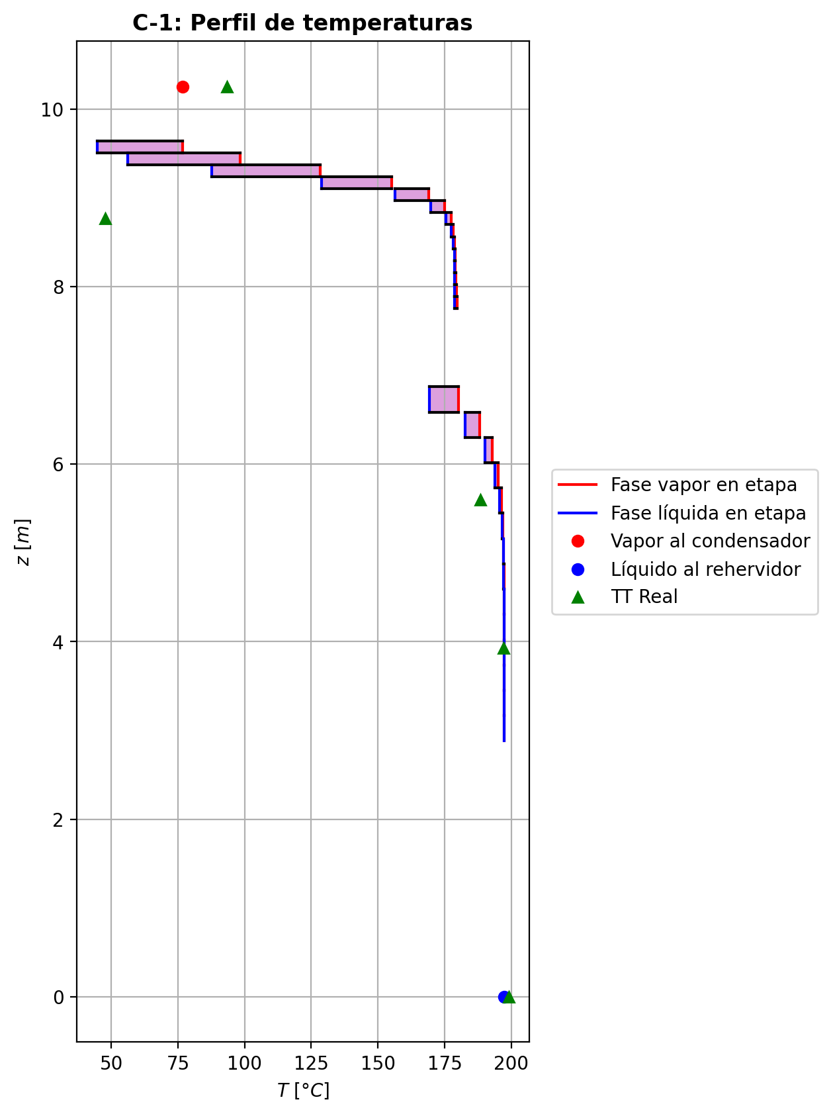
Agotamiento | 23 | 4.8756 | 4.5906 | - | - | 24.7706575 | 49.6322063 | 24.7706575 | 49.6322063 | 19.2151613 | - | - | 0.0029961052 | 0.0029961052 | 0.00409557865 | 0.00065235315 | 0.000720909812 | 0.000720909812 | 4.4219856262 | 0.60804961786 | -0.0386155173 | 0.0475404417 | 0.0089249244 | -0.038642257312 | 0.99987304778 | 2.6740012404E-05 | -0.038621951366 | 1.001420282 | 6.4340655713E-06 | - | - | 197.25908 | 197.25908 | 197.189822 | 197.185065 | 197.185065 | 57.17299824 | 8833.253652 | -9727.86363 | 76.0858391 | -9803.94947 | 807.475815 | -10535.3394 | - | - | -236860.793 | -272443.658 | - | - | 14.7122541 |  |  |  |  |  |  |  |  | 0.413686662 | 48.1487605 | 0.41368667025 | 48.148760907 | 0.013006002888 | 8.537398236E-05 | 0.013006002515 | 8.5373978756E-05 | 52.919639571 | 80.763515917 | 0.12922903926 | 2.397164844 | 0.0586144702 | 0.48853118127 | 496462.39736 | 376.48826845 | 6.4813266073 | 0.604810886 | 6.59717069 | 0.60481088081 | 6.5971711165 | 532.57948655 | 128.04926009 | 532.57992515 | 128.0493594 | 0.00081666992615 | 0.00081667120954 | 2.9693154532E-05 | 2.9703345247E-05 | 4.4219891251 | 0.60805007672 | 57.173045448 | 8833.2606111 | 423.92035045 | 422.08913834 | -240417.16911 | -272474.21472 | 1.0014825167 | -38447.104204 | -237457.04768 | -62770.583013 | -272594.92331 | -9804.1581138 | -10535.364525 | 3.2423576305E-05 | -0.03845280412 | 0.0089240073543 | -9695.8094395 | 0.0040955592769 | 0.00065235005978 | 197.18982931
Agotamiento | 24 | 4.5906 | 4.3056 | - | - | 24.7795824 | 49.6365355 | 24.7795824 | 49.6365355 | 19.2178883 | - | - | 0.00143666579 | 0.00143666579 | 0.00196579557 | 0.000313009997 | 0.000346045376 | 0.000346045376 | 4.424457606 | 0.60812724844 | -0.0186038509 | 0.0229330885 | 0.0043292376 | -0.018610070568 | 0.99993846367 | 6.2196675567E-06 | -0.018605349013 | 1.0006831007 | 1.4981126531E-06 | - | - | 197.318077 | 197.318077 | 197.284587 | 197.282293 | 197.282293 | 57.22005024 | 8839.476936 | -4693.87425 | 36.8273905 | -4730.70164 | 389.755597 | -5083.62984 | - | - | -237168.058 | -272514.461 | - | - | 14.7124814 |  |  |  |  |  |  |  |  | 0.413663153 | 48.1572672 | 0.41366316253 | 48.157267561 | 0.01300918356 | 8.540588556E-05 | 0.013009183166 | 8.5405882093E-05 | 53.030397928 | 80.753270652 | 0.12918035808 | 2.4000759192 | 0.058618001909 | 0.48865094182 | 496371.7019 | 376.64532052 | 6.4807469628 | 0.604682259 | 6.59502267 | 0.6046822546 | 6.5950230649 | 532.78469706 | 128.03166697 | 532.78513296 | 128.03176643 | 0.00081683407334 | 0.00081683535713 | 2.9687843686E-05 | 2.9698032566E-05 | 4.4244610852 | 0.60812770917 | 57.220097655 | 8839.4839127 | 423.98051288 | 422.14988927 | -240724.69118 | -272545.01246 | 1.0007132194 | -38422.502201 | -237453.99972 | -62762.541552 | -272587.07036 | -4730.747088 | -5083.6384434 | 3.2445357267E-05 | -0.018524467484 | 0.0043402620398 | -4680.9037909 | 0.0019657911401 | 0.0003130092908 | 197.28459333
Agotamiento | 25 | 4.3056 | 4.0206 | - | - | 24.7839116 | 49.6386576 | 24.7839116 | 49.6386576 | 19.2192019 | - | - | 0.000685772594 | 0.000685772594 | 0.000940359356 | 0.000149708027 | 0.000165612474 | 0.000165612474 | 4.4256198346 | 0.60816658949 | -0.00895571268 | 0.0110777923 | 0.00212207962 | -0.008957167944 | 0.99996984351 | 1.4552640457E-06 | -0.0089560641229 | 1.0003271802 | 3.5144285589E-07 | - | - | 197.346758 | 197.346758 | 197.330542 | 197.32943 | 197.32943 | 57.24311616 | 8842.493988 | -2268.6067 | 17.8410443 | -2286.44775 | 188.962499 | -2457.5692 | - | - | -237316.021 | -272548.513 | - | - | 14.7127086 |  |  |  |  |  |  |  |  | 0.413655252 | 48.1613492 | 0.41365525974 | 48.16134963 | 0.013010626692 | 8.542142856E-05 | 0.013010626343 | 8.5421424937E-05 | 53.084672374 | 80.748370214 | 0.12915705258 | 2.4014798541 | 0.058619736263 | 0.48870789576 | 496326.99454 | 376.71832057 | 6.480474713 | 0.604619809 | 6.59396721 | 0.60461980386 | 6.5939676211 | 532.88388298 | 128.0234818 | 532.88432149 | 128.02358135 | 0.00081691631388 | 0.00081691759778 | 2.9685349287E-05 | 2.9695537448E-05 | 4.4256233386 | 0.60816704996 | 57.243163534 | 8842.5009556 | 424.00949322 | 422.17915131 | -240872.77768 | -272579.06264 | 1.0003417044 | -38410.476494 | -237452.51918 | -62758.628485 | -272583.26343 | -2286.4564972 | -2457.5725318 | 3.2455663642E-05 | -0.0089172673545 | 0.0021413021833 | -2265.6116902 | 0.00094035834792 | 0.00014970786684 | 197.33054773
Agotamiento | 26 | 4.0206 | 3.7356 | - | - | 24.7860337 | 49.639719 | 24.7860337 | 49.639719 | 19.2198343 | - | - | 0.000324392953 | 0.000324392953 | 0.000446871926 | 7.11381839E-05 | 7.87918866E-05 | 7.87918866E-05 | 4.4261529572 | 0.60818785468 | -0.00430957378 | 0.00537103017 | 0.00106145639 | -0.004309918109 | 0.99998491414 | 3.4432897283E-07 | -0.0043096574142 | 1.0001557009 | 8.3634151512E-08 | - | - | 197.360907 | 197.360907 | 197.353024 | 197.352481 | 197.352481 | 57.2544288 | 8843.96412 | -1101.17719 | 8.67486363 | -1109.85205 | 92.4101073 | -1193.5873 | - | - | -237387.231 | -272564.869 | - | - | 14.7129359 |  |  |  |  |  |  |  |  | 0.413654713 | 48.1632919 | 0.4136547211 | 48.163292308 | 0.013011236784 | 8.542912608E-05 | 0.013011236426 | 8.5429122574E-05 | 53.111097611 | 80.746045596 | 0.12914600177 | 2.4021553661 | 0.058620618011 | 0.48873443978 | 496304.40817 | 376.75106733 | 6.4803518848 | 0.604589397 | 6.59343393 | 0.60458939238 | 6.5934343351 | 532.93202455 | 128.01987354 | 532.93246036 | 128.01997303 | 0.00081695935298 | 0.000816960636 | 2.9684224287E-05 | 2.9694411786E-05 | 4.4261564626 | 0.60818831489 | 57.254476396 | 8843.9710659 | 424.02344508 | 422.19323887 | -240944.04686 | -272595.41729 | 1.0001626535 | -38404.633175 | -237451.8007 | -62756.69735 | -272581.40175 | -1109.8531853 | -1193.5883152 | 3.2460471088E-05 | -0.0042910203089 | 0.0010842954921 | -1102.9530907 | 0.00044687169792 | 7.1138147545E-05 | 197.35303031
Agotamiento | 27 | 3.7356 | 3.4506 | - | - | 24.7870952 | 49.640271 | 24.7870952 | 49.640271 | 19.2201387 | - | - | 0.000150515455 | 0.000150515455 | 0.000209435766 | 3.33393121E-05 | 3.70217527E-05 | 3.70217527E-05 | 4.4263836709 | 0.60820050982 | -0.00207343728 | 0.00262541869 | 0.00055198141 | -0.0020735203617 | 0.99999217155 | 8.3081733078E-08 | -0.0020734577153 | 1.0000731271 | 2.0435319256E-08 | - | - | 197.368071 | 197.368071 | 197.364217 | 197.363947 | 197.363947 | 57.2600394 | 8844.689088 | -539.544497 | 4.24143101 | -543.785928 | 45.9734082 | -585.517906 | - | - | -237421.491 | -272572.707 | - | - | 14.7131632 |  |  |  |  |  |  |  |  | 0.413657689 | 48.164203 | 0.41365769776 | 48.164203366 | 0.013011446448 | 8.543305512E-05 | 0.013011446094 | 8.5433051551E-05 | 53.123969991 | 80.744961062 | 0.12914085473 | 2.4024796836 | 0.058621091508 | 0.48874631188 | 496292.46537 | 376.76449107 | 6.4803013655 | 0.604574442 | 6.59315107 | 0.60457443667 | 6.5931514972 | 532.95560826 | 128.01847989 | 532.95604456 | 128.01857916 | 0.00081698359659 | 0.00081698487656 | 2.9683761456E-05 | 2.9693948806E-05 | 4.426387165 | 0.60820096701 | 57.260086811 | 8844.6960548 | 424.03016068 | 422.20002043 | -240978.33601 | -272603.25549 | 1.0000764445 | -38401.794896 | -237451.45105 | -62755.71929 | -272580.47565 | -543.7857644 | -585.51782738 | 3.2462638164E-05 | -0.0020644982265 | 0.0005791127749 | -544.23278089 | 0.00020943571744 | 3.3339304308E-05 | 197.36422352
Agotamiento | 28 | 3.4506 | 3.1656 | - | - | 24.7876472 | 49.6405789 | 24.7876472 | 49.6405789 | 19.2202854 | - | - | 6.6864096E-05 | 6.6864096E-05 | 9.52079149E-05 | 1.51556074E-05 | 1.69271748E-05 | 1.69271748E-05 | 4.4264688732 | 0.60820905209 | -0.000997495076 | 0.00130542343 | 0.000307928354 | -0.00099751566535 | 0.99999562453 | 2.0589351023E-08 | -0.00099750028836 | 1.0000334484 | 5.212357074E-09 | - | - | 197.371864 | 197.371864 | 197.36998 | 197.369841 | 197.369841 | 57.26289888 | 8845.055604 | -269.597393 | 2.07303986 | -271.670433 | 23.6370882 | -293.234481 | - | - | -237437.97 | -272576.447 | - | - | 14.7133905 |  |  |  |  |  |  |  |  | 0.413662368 | 48.1646171 | 0.41366237612 | 48.164617562 | 0.013011462864 | 8.5435173E-05 | 0.013011462519 | 8.5435169189E-05 | 53.130293815 | 80.744473344 | 0.12913854544 | 2.4026348771 | 0.058621367363 | 0.48875111477 | 496285.64158 | 376.76862034 | 6.4802858322 | 0.604566921 | 6.59298847 | 0.60456691656 | 6.592988926 | 532.96740405 | 128.018157 | 532.96784227 | 128.01825579 | 0.00081699884116 | 0.0008170001164 | 2.9683619145E-05 | 2.9693806453E-05 | 4.4264723837 | 0.60820950717 | 57.262946248 | 8845.0625299 | 424.03339714 | 422.20328632 | -240994.83038 | -272606.9959 | 1.0000349563 | -38400.40892 | -237451.28 | -62755.198145 | -272579.99951 | -271.67024559 | -293.23431677 | 3.2463535565E-05 | -0.00099319181934 | 0.00033787293012 | -275.86656951 | 9.5207904323E-05 | 1.5155605669E-05 | 197.36998649
Agotamiento | 29 | 3.1656 | 2.8806 | 24.7881474 | - | 24.7879551 | 49.6407713 | 24.7879551 | 49.6407713 | 19.2203562 | 7.26353885E-06 | - | 2.66221453E-05 | 2.66221453E-05 | 4.02568959E-05 | 6.40824523E-06 | 7.26048124E-06 | 7.26048124E-06 | 4.426483992 | 0.60821564036 | -0.00047985887 | 0.000672193954 | 0.000192335084 | -0.00047986399037 | 0.99999726256 | 5.1203725525E-09 | -0.00047986026645 | 1.0000142838 | 1.3964452692E-09 | 197.375315 | - | 197.374009 | 197.374009 | 197.373131 | 197.373055 | 197.373055 | 57.26443968 | 8845.249896 | -140.220319 | 0.966423524 | -141.186743 | 12.8927444 | -153.113064 | -237449.71157 | - | -237445.897 | -272578.216 | 14.7138451 | - | 14.7136178 |  |  |  |  |  |  |  |  | 0.4136679 | 48.1647922 | 0.41366790813 | 48.164792592 | 0.013011384852 | 8.543642004E-05 | 0.013011384475 | 8.5436415958E-05 | 53.133475242 | 80.744272801 | 0.12913759241 | 2.4027086716 | 0.058621544536 | 0.488752514 | 496281.27958 | 376.76826175 | 6.4802873995 | 0.60456296 | 6.59288369 | 0.60456295523 | 6.5928841472 | 532.97358672 | 128.01835419 | 532.97402407 | 128.01845312 | 0.00081700981599 | 0.00081701109323 | 2.9683633401E-05 | 2.9693820816E-05 | 4.4264875068 | 0.60821609832 | 57.264487349 | 8845.2568345 | 424.03495911 | 422.20486084 | -241002.76436 | -272608.76486 | 1.0000149944 | -38399.722183 | -237451.19642 | -62754.89959 | -272579.7398 | -141.18681131 | -153.11295787 | 3.2463821016E-05 | -0.0004777882015 | 0.00022317875468 | -147.1432911 | 4.0256892826E-05 | 6.4082447439E-06 | 197.37313737

Exportar_resultados_ACM
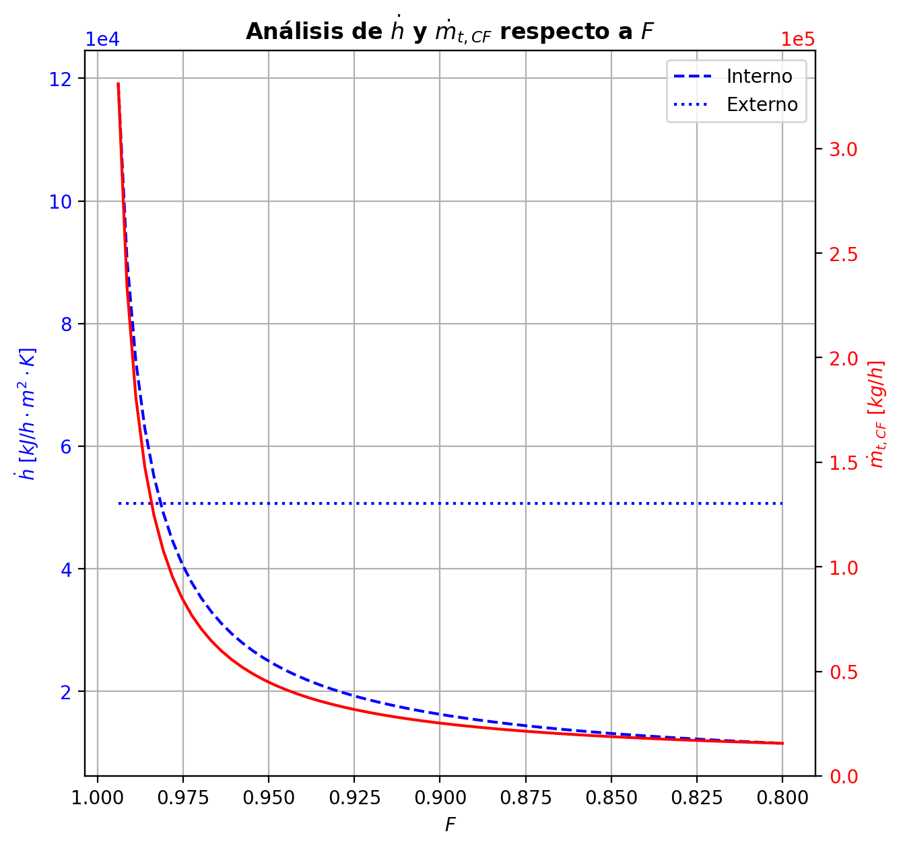
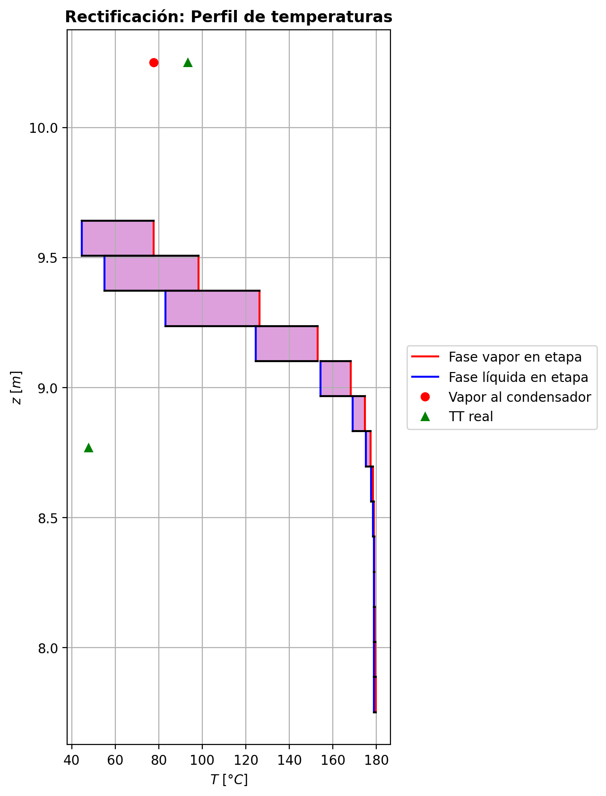

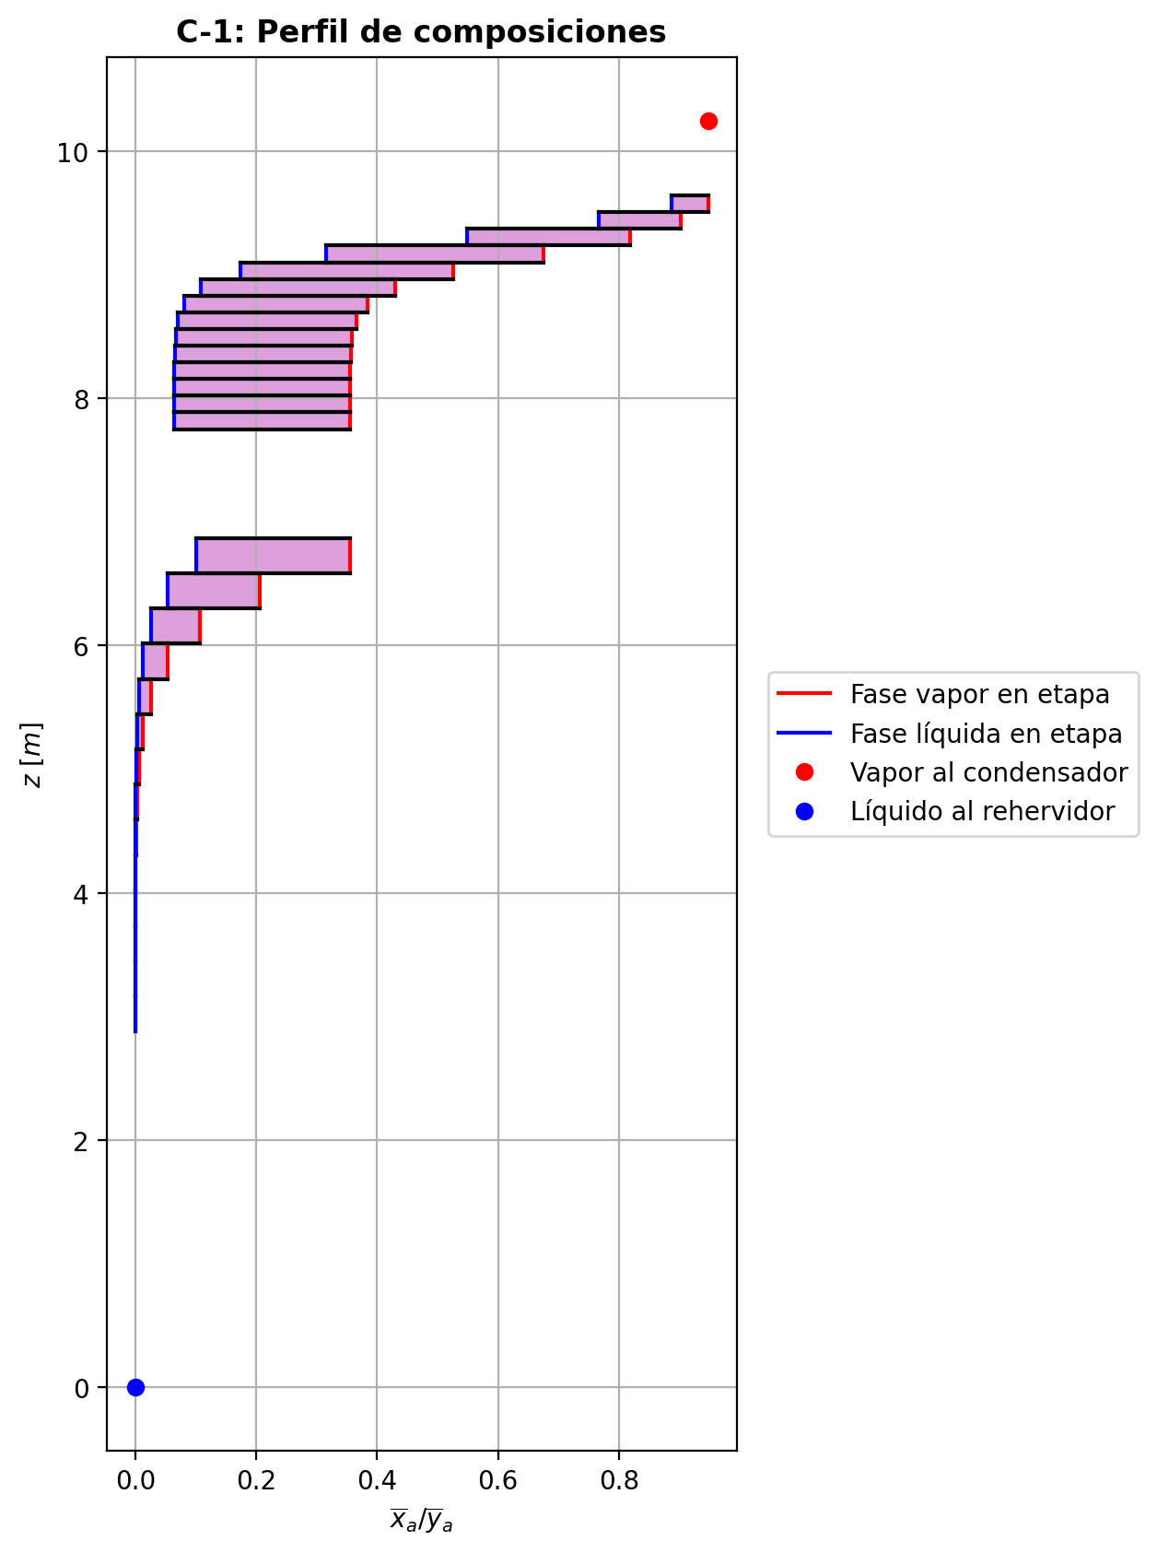
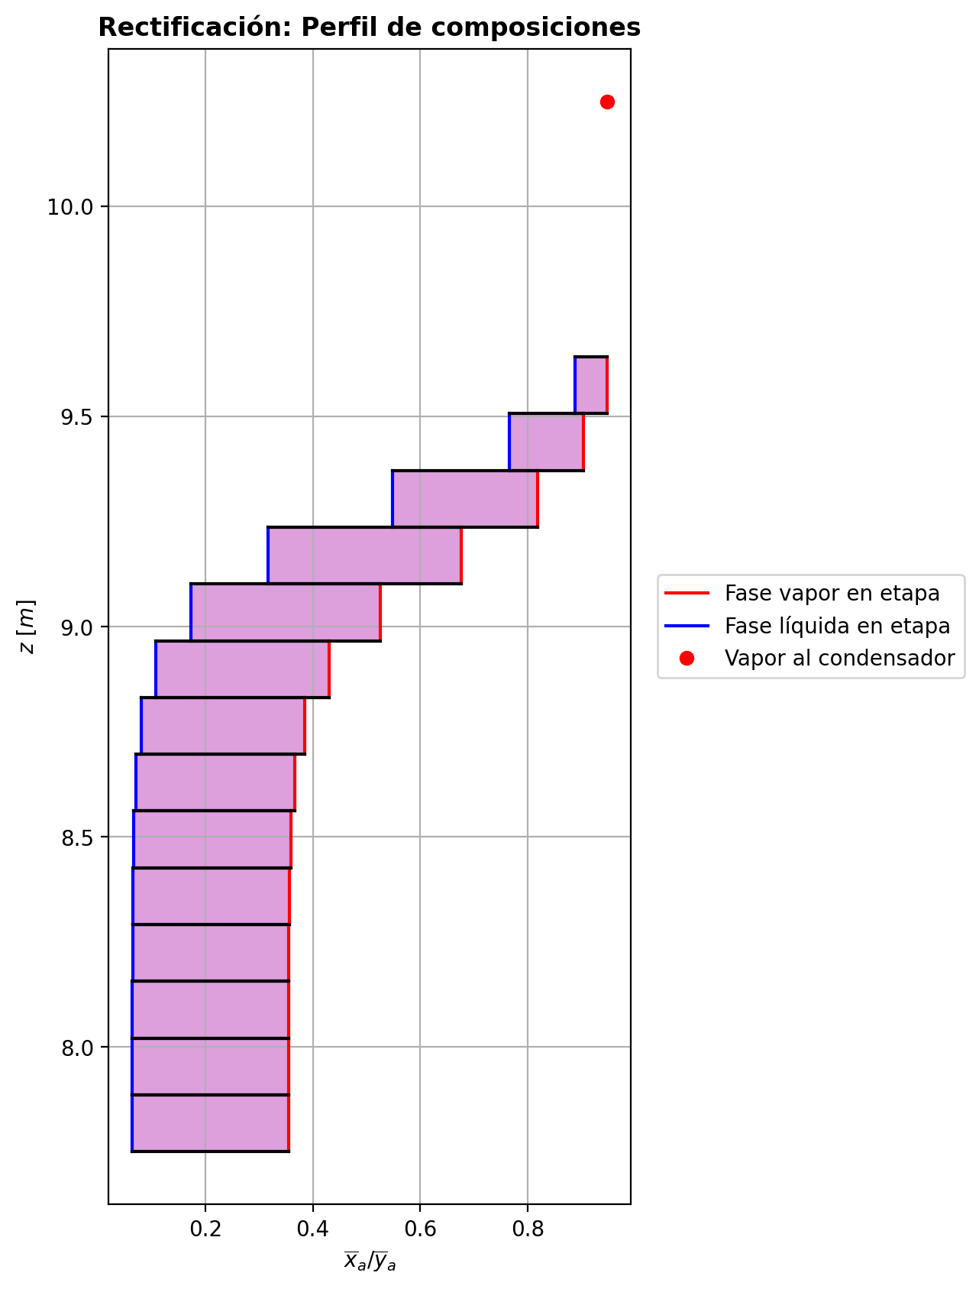
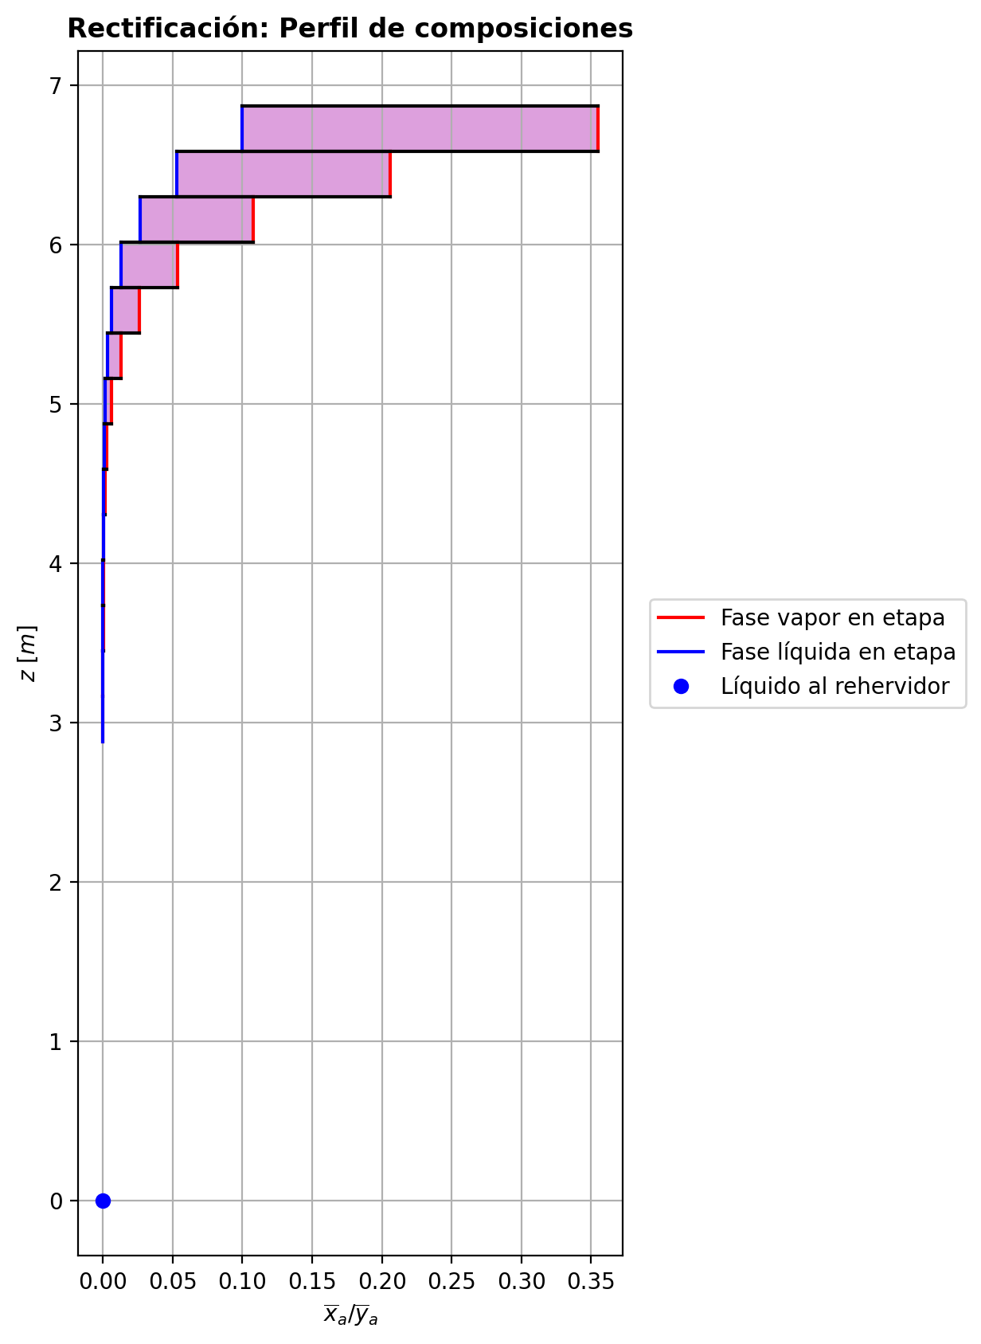
$${\left[N_{t}=N_{a}+N_{w} \right]}_{2}$$
$${\left[N_{t}=N_{a}+N_{w} \right]}_{ps1+ps2−3}$$
$$F_{fría}^{l}+F_{caliente}^{l}=P_{fría}^{l}+P_{caliente}^{l}$$
$${\left[J_{a}^{g}=Γ^{g,b}ρ^{g,b}k_{bm}^{g}a_{ef}A_{tr}Z\left(y_{a}^{b}−y_{a}^{I}\right)\right]}_{2}$$
$${\left(N_{t}\right)}_{2}=V_{3}−V_{2}=L_{2}−{\left(L_{1}−P^{l}\right)}_{E−3}$$
$${\left[J_{a}^{g}=Γ^{g,b}ρ^{g,b}k_{bm}^{g}a_{ef}A_{tr}Z\left(y_{a}^{b}−y_{a}^{I}\right)\right]}_{s}$$
$${\left[N_{t}=N_{a}+N_{w} \right]}_{s}$$
$${\left[J_{a}^{g}=Γ^{g,b}ρ^{g,b}k_{bm}^{g}a_{ef}A_{tr}Z\left(y_{a}^{b}−y_{a}^{I}\right)\right]}_{ps1+ps2−3}$$
Caso | 1 |  |  | Economizador E-1 |  |  |  |  |  |  |  |  | Condensador E-3 (s=1) |  |  |  |  |  |  |  |  | s=2 |  |  |  |  |  |  |  |  |  |  |  |  |  |  | s={3,…,ps1+ps2-4} |  |  |  |  |  |  |  |  |  |  |  |  |  |  |  | s=ps1+ps2-3 |  |  |  |  |  |  |  |  |  |  |  |  |  |  | Rehervidor E-2 (s=ps1+ps2-2)
ps1 | 16 |  | Representación y balances |  |  |  |  |  |  |  |  |  |  |  |  |  |  |  |  |  |  | Atr [m2] | 0.159043 |  |  |  |  |  |  |  |  |  |  |  |  |  | s |  | Atr [m2] | 0.159043 |  |  |  |  |  |  |  |  |  |  |  |  | Atr [m2] | 0.159043
ps2 | 16 |  |  | Pl [kmol/h]= | 24.834344289 | Fl [kmol/h]= | 31.867507426 | Balance de Masa Total [kmol/h] |  |  |  |  | V2 [kmol/h]= | 30.823982709 | Pl Fría [kmol/h]= | 5139.8935444 | Balance de Masa Total [kmol/h] |  |  |  |  |  | V2 [kmol/h]= | 30.823982709 |  |  | L1-Pl en E-3 [kmol/h]= | 23.790819572 |  | Balance de Masa Total [kmol/h] |  |  |  |  |  |  |  |  | Vs [kmol/h]= | #VALUE! |  |  | Ls-1 [kmol/h]= | #VALUE! |  | Balance de Masa Total [kmol/h] |  |  |  |  |  |  |  |  | Vps1+ps2-3 [kmol/h]= | 24.698626609 |  |  | Lps1+ps2-4 [kmol/h]= | 49.532970899 |  | Balance de Masa Total [kmol/h] |  |  |  |  |  | Lps1+ps2-3 [kmol/h]= | 49.531630564 |  |  |  |  | Balance de Masa Total [kmol/h]
$$V_{2}=L_{1}$$
$${\left[J_{a}^{l}=Γ^{l,b}ρ^{l,b}k_{bm}^{l}a_{ef}A_{tr}Z\left(x_{a}^{I}−x_{a}^{b}\right)\right]}_{2}$$
$${\left[J_{a}^{l}=Γ^{l,b}ρ^{l,b}k_{bm}^{l}a_{ef}A_{tr}Z\left(x_{a}^{I}−x_{a}^{b}\right)\right]}_{s}$$
$${\left(N_{t}\right)}_{s}=V_{s+1}−V_{s}=L_{s}−L_{s−1}−F_{s}^{l}$$
$${\left[J_{a}^{l}=Γ^{l,b}ρ^{l,b}k_{bm}^{l}a_{ef}A_{tr}Z\left(x_{a}^{I}−x_{a}^{b}\right)\right]}_{ps1+ps2−3}$$
$${\left(N_{t}\right)}_{ps1+ps2−3}=−V_{ps1+ps2−3}+F_{ps1+ps2−3}^{g}=L_{ps1+ps2−3}−L_{ps1+ps2−4}−F_{ps1+ps2−3}^{l}$$
$$L_{ps1+ps2−3}=P_{ps1+ps2−2}^{g}+P_{ps1+ps2−2}^{l}$$
flowmode1 | MIXED |  |  | T [°C]= | 57.199227116 | T [°C]= | 22 |  |  |  |  |  | T [°C]= | 77.710237833 | T [°C]= | 31.796624928 |  |  |  |  |  |  | T [°C]= | 77.710237833 |  |  | T [°C]= | 40.340261869 |  |  |  |  |  |  |  |  |  |  | T [°C]= | #VALUE! |  |  | T [°C]= | #VALUE! |  |  |  |  |  |  |  |  |  |  | T [°C]= | 197.40833775 |  |  | T [°C]= | 197.35781072 |  |  |  |  |  |  |  | T [°C]= | 197.36039176 |  |  | Pg [kmol/h]= | 24.697286275
$$F_{fría}^{l}=P_{fría}^{l}$$
$${\left[Q^{g}=k_{h}^{g}a_{ef}A_{tr}Z\left(T^{g,b}−T^{I}\right)\right]}_{2}$$
$${\left[Q^{g}=k_{h}^{g}a_{ef}A_{tr}Z\left(T^{g,b}−T^{I}\right)\right]}_{s}$$
$${\left[Q^{g}=k_{h}^{g}a_{ef}A_{tr}Z\left(T^{g,b}−T^{I}\right)\right]}_{ps1+ps2−3}$$
$${f_{v}\left(L−P^{l}\right)}_{ps1+ps2−2}=P_{ps1+ps2−2}^{g}$$
flowmode2 | MIXED |  |  | P [bar]= | 14.834565528 | P [bar]= | 18.6326 |  | 56.701851715 | = | 56.701851715 |  | P [bar]= | 14.7091358 | P [bar]= | 3.43233 |  |  |  |  |  |  | P [bar]= | 14.7091358 |  |  | P [bar]= | 14.7091358 |  |  | -2.7597073383 | = | -2.7597073383 | = | -2.7597073383 |  |  |  | P [bar]= | #VALUE! |  |  | P [bar]= | #VALUE! |  |  | #VALUE! | = |  | = | #VALUE! |  |  |  | P [bar]= | 14.709667064 |  |  | P [bar]= | 14.709634792 |  |  | -0.0013403346242 | = | -0.0013403346242 | = | -0.0013403346242 | P [bar]= | 14.709667064 |  |  | T [°C]= | 197.76161214
$${\left[Q^{l}=k_{h}^{l}a_{ef}A_{tr}Z\left(T^{I}−T^{l,b}\right)\right]}_{2}$$
$${\left[Q^{l}=k_{h}^{l}a_{ef}A_{tr}Z\left(T^{I}−T^{l,b}\right)\right]}_{s}$$
$${\left[Q^{l}=k_{h}^{l}a_{ef}A_{tr}Z\left(T^{I}−T^{l,b}\right)\right]}_{ps1+ps2−3}$$
simtype | 0 |  |  | xa molar= | 7.2642251497E-06 | xa molar= | 0.209146 |  |  |  |  |  | ya molar= | 0.94762216892 | xa molar= | 0 |  | 30.823982709 | = | 30.823982709 |  | z top [m]= | ya molar= | 0.94762216892 |  |  | xa molar= | 0.94762216892 |  |  |  |  |  |  |  |  |  | z top [m]= | ya molar= | #VALUE! |  |  | xa molar= | #VALUE! |  |  |  |  |  |  |  |  |  | z top [m]= | ya molar= | 2.6596626476E-05 |  |  | xa molar= | 1.6903940943E-05 |  |  |  |  |  |  |  | xa molar= | 7.2642251497E-06 |  |  | P [bar]= | 14.834565528 |  | 49.531630564 | = | 49.531630564
$${\left(N_{a}\right)}_{ps1+ps2−3}=−{\left(Vy_{a}\right)}_{ps1+ps2−3}+{\left(F^{g}y_{a}\right)}_{ps1+ps2−3}={\left(Lx_{a}\right)}_{ps1+ps2−3}−{\left(Lx_{a}\right)}_{ps1+ps2−4}−{\left(F^{l}x_{a}\right)}_{ps1+ps2−3}$$
pborde1 | - |  |  | h [kJ/kmol]= | -283382.86411 | h [kJ/kmol]= | -243450.36743 | Balance de Masa Amoníaco [kmol/h] |  |  |  |  | h [kJ/kmol]= | -55367.719396 | h [kJ/kmol]= | -285314.60958 |  | 5139.8935444 | = | 5139.8935444 |  | 9.6416 | h [kJ/kmol]= | -55367.719396 |  |  | h [kJ/kmol]= | -77922.421878 |  | Balance de Masa Amoníaco [kmol/h] |  |  |  |  |  |  |  | #VALUE! | h [kJ/kmol]= | #VALUE! |  |  | h [kJ/kmol]= | #VALUE! |  | Balance de Masa Amoníaco [kmol/h] |  |  |  |  |  |  |  | 3.1656 | h [kJ/kmol]= | -237443.55084 |  |  | h [kJ/kmol]= | -272577.42695 |  | Balance de Masa Amoníaco [kmol/h] |  |  |  |  |  | h [kJ/kmol]= | -272579.24115 |  |  | ya molar= | 7.2642251497E-06 |  | 24.697286275 | = | 24.697286275
$${\left(F^{l}x_{a,F}\right)}_{fría}+{\left(F^{l}x_{a,F}\right)}_{caliente}={\left(P^{l}x_{a,P}\right)}_{fría}+{\left(P^{l}x_{a,P}\right)}_{caliente}$$
$${\left(N_{a}\right)}_{2}={\left(Vy_{a}\right)}_{3}−{\left(Vy_{a}\right)}_{2}={\left(Lx_{a}\right)}_{2}−{\left[\left(L_{1}−P^{l}\right)x_{a}\right]}_{E−3}$$
$${\left(N_{a}\right)}_{s}={\left(Vy_{a}\right)}_{s+1}−{\left(Vy_{a}\right)}_{s}={\left(Lx_{a}\right)}_{s}−{\left(Lx_{a}\right)}_{s−1}−{\left(F^{l}x_{a}\right)}_{s}$$
nborde1 | - |  |  |  |  |  |  |  |  |  |  |  |  |  |  |  |  |  |  |  |  |  |  |  | TI [°C]= | 44.971443845 |  |  |  |  |  |  |  |  |  |  | NO APLICA |  |  |  | TI [°C]= | #VALUE! |  |  |  |  |  |  |  |  |  |  | NO APLICA |  |  |  | TI [°C]= | 197.3604529 |  |  |  |  |  |  |  |  |  |  |  |  |  | h [kJ/kmol]= | -237445.28257
$${\left(N_{a}\right)}_{2}={\left(J_{a}^{g}\right)}_{2}+{\left(N_{t}y_{a}^{b}\right)}_{2}={\left(J_{a}^{l}\right)}_{2}+{\left(N_{t}x_{a}^{b}\right)}_{2}$$
$${\left(N_{a}\right)}_{s}={\left(J_{a}^{g}\right)}_{s}+{\left(N_{t}y_{a}^{b}\right)}_{s}={\left(J_{a}^{l}\right)}_{s}+{\left(N_{t}x_{a}^{b}\right)}_{s}$$
$${\left(N_{a}\right)}_{ps1+ps2−3}={\left(J_{a}^{g}\right)}_{ps1+ps2−3}+{\left(N_{t}y_{a}^{b}\right)}_{ps1+ps2−3}={\left(J_{a}^{l}\right)}_{ps1+ps2−3}+{\left(N_{t}x_{a}^{b}\right)}_{ps1+ps2−3}$$
pborde2 | - |  |  |  |  |  |  |  | 6.6651421104 | = | 6.6651421104 |  |  |  |  |  | Balance de Masa Amoníaco [kmol/h] |  |  |  |  |  | V2b [kmol/h]= | 30.823982709 | yaI molar= | 0.99958863798 | L2b [kmol/h]= | 21.031112234 |  |  |  |  |  |  |  |  | Fl Alimentación [kmol/h]= | #VALUE! | Vsb [kmol/h]= | #VALUE! | yaI molar= | #VALUE! | Lsb [kmol/h]= | #VALUE! |  |  |  |  |  |  |  |  | Fl Alimentación [kmol/h]= | - | Vps1+ps2-3b [kmol/h]= | 24.698626609 | yaI molar= | 4.0274267066E-05 | Lps1+ps2-3b [kmol/h]= | 49.531630564 |  |  |  |  |  |  |  |  |  |  |  |  |  | Balance de Masa Amoníaco [kmol/h]
$${\left(Vy_{a}\right)}_{2}={\left(Lx_{a}\right)}_{1}$$
$${\left(Lx_{a}\right)}_{ps1+ps2−3}={\left(P^{g}y_{a}\right)}_{ps1+ps2−2}+{\left(P^{l}y_{a}\right)}_{ps1+ps2−2}$$
nborde2 | - |  |  | Q̇ [kJ/h]= |  |  |  |  |  |  |  |  | Q̇ [kJ/h]= |  |  |  |  |  |  |  |  |  | Tg,b [°C]= | 77.710237833 | xaI molar= | 0.86022942888 | Tl,b [°C]= | 44.721261177 |  |  | -3.8739691297 | = | -3.8739691297 | = | -3.8739691297 |  | T [°C]= | #VALUE! | Tg,b [°C]= | #VALUE! | xaI molar= | #VALUE! | Tl,b [°C]= | #VALUE! |  |  | #VALUE! | = |  | = | #VALUE! |  | T [°C]= | - | Tg,b [°C]= | 197.40833775 | xaI molar= | 6.41042392E-06 | Tl,b [°C]= | 197.36039176 |  |  | -0.0004774934984 | = | -0.00047749349831 | = | -0.00047749349836
$$\dot{Q}={{\left(P^{l}h_{P}\right)}_{fría}−\left(F^{l}h_{F}\right)}_{fría}$$
$${\left(F^{l}x_{a,F}\right)}_{fría}={\left(P^{l}x_{a,P}\right)}_{fría}$$
$${\left[\left(L−P^{l}\right)x_{a}\right]}_{ps1+ps2−2}={\left(P^{g}y_{a}\right)}_{ps1+ps2−2}$$
Molar RR | 3.3826628375 |  |  | 268300.89229 |  |  |  | Balance de Energía [kJ/h] |  |  |  |  | 695225.7583 |  |  |  |  |  |  |  |  |  | P [bar]= | 14.7091358 | Na [kmol/h]= | -3.8739691297 | P [bar]= | 14.7091358 |  |  | -3.8739691297 | = | -3.8739691295 | = | -3.8739691298 |  | P [bar]= | #VALUE! | P [bar]= | #VALUE! | Na [kmol/h]= | #VALUE! | P [bar]= | #VALUE! |  |  | #VALUE! | = | #VALUE! | = | #VALUE! |  | P [bar]= | - | P [bar]= | 14.709667064 | Na [kmol/h]= | -0.0004774934984 | P [bar]= | 14.709667064 |  |  | -0.0004774934984 | = | -0.00047749349831 | = | -0.00047749349835
Molar fv Reboiler | 1 |  |  |  |  |  |  |  |  |  |  |  |  |  |  |  |  | 29.209489349 | = | 29.209489349 |  |  | yab molar= | 0.94762216892 | Nw [kmol/h]= | 1.1142617913 | xab molar= | 0.88776754677 |  |  |  |  |  |  |  |  | xa molar= | #VALUE! | yab molar= | #VALUE! | Nw [kmol/h]= | #VALUE! | xab molar= | #VALUE! |  |  |  |  |  |  |  |  | xa molar= | - | yab molar= | 2.6596626476E-05 | Nw [kmol/h]= | -0.00086284112579 | xab molar= | 7.2642251497E-06 |  |  |  |  |  |  |  |  |  |  |  |  |  |  | 0.00035980891645 | = | 0.00035980891645
$$\dot{Q}={\left(F^{l}h_{F}\right)}_{caliente}−{\left(P^{l}h_{P}\right)}_{caliente}$$
$$E_{ps1+ps2−3}=−{\left(Vh\right)}_{ps1+ps2−3}+{\left(F^{g}h\right)}_{ps1+ps2−3}={\left(Lh\right)}_{ps1+ps2−3}−{\left(Lh\right)}_{ps1+ps2−4}−{\left(F^{l}h\right)}_{ps1+ps2−3}$$
Mass xa Distillate | 0.94476081307 |  |  |  |  |  |  |  |  |  |  |  | L1 [kmol/h]= | 30.823982709 | Fl Fría [kmol/h]= | 5139.8935444 |  | 0 | = | 0 |  |  |  |  | Nt [kmol/h]= | -2.7597073383 |  |  |  | Balance de Energía [kJ/h] |  |  |  |  |  |  | h [kJ/kmol]= | #VALUE! |  |  | Nt [kmol/h]= | #VALUE! |  |  |  | Balance de Energía [kJ/h] |  |  |  |  |  |  | h [kJ/kmol]= | - |  |  | Nt [kmol/h]= | -0.0013403346242 |  |  |  | Balance de Energía [kJ/h] |  |  |  |  |  |  |  |  |  |  |  |  | 0.00017940664809 | = | 0.00017940664809
$$\dot{Q}=n_{tb}UA_{ext}ΔT_{ln}$$
$$E_{2}={\left(Vh\right)}_{3}−{\left(Vh\right)}_{2}={\left(Lh\right)}_{2}−{\left[\left(L_{1}−P^{l}\right)h\right]}_{E−3}$$
$$E_{s}={\left(Vh\right)}_{s+1}−{\left(Vh\right)}_{s}={\left(Lh\right)}_{s}−{\left(Lh\right)}_{s−1}−{\left(F^{l}h\right)}_{s}$$
$$E_{ps1+ps2−3}={\left(Q^{g}\right)}_{ps1+ps2−3}+{\left(ΣN_{i}{\hat{h}}_{i}^{g,b}\right)}_{ps1+ps2−3}={\left(Q^{l}\right)}_{ps1+ps2−3}+{\left(ΣN_{i}{\hat{h}}_{i}^{l,b}\right)}_{ps1+ps2−3}$$
Mass xa Bottoms | 6.8671472673E-06 |  |  | Fl=Pl en E-2 [kmol/h]= | 24.834344289 | Pl=Fl Alimentación [kmol/h]= | 31.867507426 |  |  |  |  |  | T [°C]= | 40.340261869 | T [°C]= | 30 |  |  |  |  |  |  |  |  | E [kJ/h]= | -70165.269262 |  |  |  |  |  |  |  |  |  |  |  |  |  |  | E [kJ/h]= | #VALUE! |  |  |  |  |  |  |  |  |  |  |  |  |  |  | E [kJ/h]= | 275.48488532
$$E_{2}={\left(Q^{g}\right)}_{2}+{\left(ΣN_{i}{\hat{h}}_{i}^{g,b}\right)}_{2}={\left(Q^{l}\right)}_{2}+{\left(ΣN_{i}{\hat{h}}_{i}^{l,b}\right)}_{2}$$
$$E_{s}={\left(Q^{g}\right)}_{s}+{\left(ΣN_{i}{\hat{h}}_{i}^{g,b}\right)}_{s}={\left(Q^{l}\right)}_{s}+{\left(ΣN_{i}{\hat{h}}_{i}^{l,b}\right)}_{s}$$
 |  |  |  | T [°C]= | 197.35923002 | T [°C]= | 121.39754572 |  | 268300.89229 | = | 268300.89229 |  | P [bar]= | 14.7091358 | P [bar]= | 3.43233 | Balance de Energía [kJ/h] |  |  |  |  | z lower [m]= | V3 [kmol/h]= | 28.06427537 |  |  | L2 [kmol/h]= | 21.031112234 |  |  |  |  |  |  |  |  |  | z lower [m]= | Vs+1 [kmol/h]= |  |  |  | Ls [kmol/h]= | #VALUE! |  |  |  |  |  |  |  |  |  | z lower [m]= |  |  | Fg=Pg en E-2 [kmol/h]= | 24.697286275 | Lps1+ps2-3 [kmol/h]= | 49.531630564 |  |  |  |  |  |  |  |  |  |  |  |  | Q̇ [kJ/h]= | Balance de Energía [kJ/h]
$$\dot{Q}={\left(Vh\right)}_{2}−{\left(Lh\right)}_{1}$$
$${\left(Lh\right)}_{ps1+ps2−3}={\left(P^{g}h\right)}_{ps1+ps2−2}+{\left(P^{l}h\right)}_{ps1+ps2−2}−\dot{Q}$$
 |  |  |  | P [bar]= | 14.834565528 | P [bar]= | 18.6326 |  | 268300.89229 | = | 268300.89229 |  | xa molar= | 0.94762216892 | xa molar= | 0 |  |  |  |  |  | 9.5066 | T [°C]= | 98.190919757 |  |  | T [°C]= | 44.721261177 |  |  | -70165.269262 | = | -70165.269273 | = | -70165.269278 |  |  | #VALUE! | T [°C]= |  |  |  | T [°C]= | #VALUE! |  |  | #VALUE! | = |  | = | #VALUE! |  |  | 2.8806 |  |  | T [°C]= | 197.76161214 | T [°C]= | 197.36039176 |  |  | 275.48488532 | = | 275.48488534 | = | 275.48488533 |  |  |  |  |  | 867713.43298
$$n_{tb}UA_{ext}ΔT_{ln}$$
$$\dot{Q}={{\left(P^{l}h_{P}\right)}_{fría}−\left(F^{l}h_{F}\right)}_{fría}$$
$$\dot{Q}={\left(P^{g}h\right)}_{ps1+ps2−2}−{\left[\left(L−P^{l}\right)h\right]}_{ps1+ps2−2}$$
 |  |  |  | xa molar= | 7.2642251497E-06 | xa molar= | 0.209146 |  |  | = | 268300.89229 |  | h [kJ/kmol]= | -77922.421878 | h [kJ/kmol]= | -285449.87031 |  |  |  |  |  |  | P [bar]= | 14.709147557 |  |  | P [bar]= | 14.7091358 |  |  | -70165.269262 | = | -70165.269285 | = | -70165.269261 |  |  |  | P [bar]= |  |  |  | P [bar]= | #VALUE! |  |  | #VALUE! | = | #VALUE! | = | #VALUE! |  |  |  |  |  | P [bar]= | 14.834565528 | P [bar]= | 14.709667064 |  |  | 275.48488532 | = | 275.48488532 | = | 275.48488534
 |  |  |  | h [kJ/kmol]= | -272579.24115 | h [kJ/kmol]= | -235031.10549 |  |  |  |  |  |  |  |  |  |  | 695225.7583 | = | 695225.7593 |  | Z [m]= | ya molar= | 0.90276766049 |  |  | xa molar= | 0.88776754677 |  |  |  |  |  |  |  |  |  | Z [m]= | ya molar= |  |  |  | xa molar= | #VALUE! |  |  |  |  |  |  |  |  |  | Z [m]= |  |  | ya molar= | 7.2642251497E-06 | xa molar= | 7.2642251497E-06 |  |  |  |  |  |  |  |  |  |  |  |  |  |  | -13501294.272 | = | -13501294.272
 |  |  |  |  | Caliente | Fría |  | LV-1 | % Apertura | 0.142857 |  |  | L1-Pl [kmol/h]= | 23.790819572 | Pl [kmol/h]= | 7.0331631365 |  | 695225.7583 | = | 695225.7583 |  | 0.135 | h [kJ/kmol]= | -63312.480765 |  |  | h [kJ/kmol]= | -91483.680341 |  |  |  |  |  |  |  |  |  | #VALUE! | h [kJ/kmol]= |  |  |  | h [kJ/kmol]= | #VALUE! |  |  |  |  |  |  |  |  |  | 0.285 |  |  | h [kJ/kmol]= | -237445.28257 | h [kJ/kmol]= | -272579.24115 |  |  |  |  |  |  |  | Pl [kmol/h]= | 24.834344289 | Lps1+ps2-2-Pl [kmol/h]= | 24.697286275 |  |  |  | 867713.43298 | = | 867713.43298
 |  |  |  |  |  |  |  |  | q̇ [m3/h] | 0.45411244518 |  |  | T [°C]= | 40.340261869 | T [°C]= | 40.340261869 |  |  |  |  |  |  |  | Vapor |  |  | Líquido |  |  |  |  |  |  |  |  |  |  |  |  | Vapor |  |  | Líquido |  |  |  |  |  |  |  |  |  |  |  |  | Vapor |  |  | Líquido |  |  |  |  |  |  |  |  | T [°C]= | 197.35923002 | T [°C]= | 197.35923002
 |  |  |  |  | Factor de corrección F | 0.73642049126 |  |  |  |  |  |  | P [bar]= | 14.7091358 | P [bar]= | 14.7091358 | Relación |  |  |  |  | Transferencia de masa y calor |  |  |  |  |  |  |  |  |  |  |  |  |  |  |  | Transferencia de masa y calor |  |  |  |  |  |  |  |  |  |  |  |  |  |  |  | Transferencia de masa y calor |  |  |  |  |  |  |  |  |  |  |  |  |  | P [bar]= | 14.834565528 | P [bar]= | 14.834565528 |  |  | Relación
$$RR=\frac{L_{1}−{\left(P^{l}\right)}_{1}}{{\left(P^{l}\right)}_{1}}$$
$$f_{v}=\frac{P_{ps1+ps2−2}^{g}}{{\left(L−P^{l}\right)}_{ps1+ps2−2}}$$
 |  |  |  |  | ḣint [kJ/h·m2·K] | 6899.6605 |  |  |  |  |  |  | xa molar= | 0.94762216892 | xa molar= | 0.94762216892 |  |  |  |  |  | Difusión |  | Convección |  | aef [m2/m3] | 514.85531371 | khg [kJ/h·m2·°C] | 76.932351564 |  |  |  |  |  |  |  |  | Difusión |  | Convección |  | aef [m2/m3] | #VALUE! | khg [kJ/h·m2·°C] | #VALUE! |  |  |  |  |  |  |  |  | Difusión |  | Convección |  | aef [m2/m3] | 422.12709288 | khg [kJ/h·m2·°C] | 57.046665317 |  |  |  |  |  |  | xa molar= | 7.2642251497E-06 | xa molar= | 7.2642251497E-06
 |  |  |  |  | ḣext [kJ/h·m2·K] | 1048.8705428 |  |  |  |  |  |  | h [kJ/kmol]= | -77922.421878 | h [kJ/kmol]= | -77922.421878 |  | 3.3826628375 | = | 3.3826628375 |  | Jag [kmol/h]= | -1.2588092759 | Ntyab [kmol/h]= | -2.6151598536 | kbmg [m/h] | 3.9063031584 | khl [kJ/h·m2·°C] | 2892.3598499 |  |  |  |  |  |  |  |  | Jag [kmol/h]= | #VALUE! | Ntyab [kmol/h]= | #VALUE! | kbmg [m/h] | #VALUE! | khl [kJ/h·m2·°C] | #VALUE! |  |  |  |  |  |  |  |  | Jag [kmol/h]= | -0.00047745784993 | Ntyab [kmol/h]= | -3.5648379352E-08 | kbmg [m/h] | 4.4121404364 | khl [kJ/h·m2·°C] | 8825.4724069 |  |  |  |  |  |  | h [kJ/kmol]= | -272579.24115 | h [kJ/kmol]= | -272579.24115
 |  |  |  |  |  |  |  |  |  |  |  |  |  |  |  |  |  |  |  |  |  | Jal [kmol/h]= | -1.4239905162 | Ntxab [kmol/h]= | -2.4499786136 | kbml [m/h] | 0.11393655214 |  |  |  |  |  |  |  |  |  |  | Jal [kmol/h]= | #VALUE! | Ntxab [kmol/h]= | #VALUE! | kbml [m/h] | #VALUE! |  |  |  |  |  |  |  |  |  |  | Jal [kmol/h]= | -0.00047748376186 | Ntxab [kmol/h]= | -9.7364924861E-09 | kbml [m/h] | 0.60681410044 |  |  |  |  |  |  |  |  |  |  |  |  |  |  |  | 1 | = | 1
 |  |  |  |  |  |  |  |  |  |  |  |  |  | Factor de corrección F | 0.97760762987 |  | PV-2 | % Apertura | 0.196599 |  |  | Qg [kJ/h]= | 27842.306603 | ΣNiĥig,b [kJ/h]= | -98007.575888 | Γg,b | 1.0000000002 |  |  |  |  |  |  |  |  |  |  | Qg [kJ/h]= | #VALUE! | ΣNiĥig,b [kJ/h]= | #VALUE! | Γg,b | #VALUE! |  |  |  |  |  |  |  |  |  |  | Qg [kJ/h]= | 52.26741663 | ΣNiĥig,b [kJ/h]= | 223.21746869 | Γg,b | 1.0000000002 |  |  |  |  |  |  |  |  | Q̇ [kJ/h] mediante la suposición de estado cuasi-estacionario del aceite térmico= |  |  |  |  | 895784.76622
$$\dot{Q}={\overline{L}}_{t66}\left[{\overline{h}}_{t66}\left(TT−6\right)−{\overline{h}}_{t66}\left(TT−7\right)\right]$$
 |  |  |  |  |  |  |  |  |  |  |  |  |  |  |  |  |  | q̇ [m3/h] | 93.043140678 |  |  | Ql [kJ/h]= | 7999.1358116 | ΣNiĥil,b [kJ/h]= | -78164.405073 | Γl,b | 1.1135298244 |  |  |  |  |  |  |  |  |  |  | Ql [kJ/h]= | #VALUE! | ΣNiĥil,b [kJ/h]= | #VALUE! | Γl,b | #VALUE! |  |  |  |  |  |  |  |  |  |  | Ql [kJ/h]= | 10.325138538 | ΣNiĥil,b [kJ/h]= | 265.1597468 | Γl,b | 1.0000150028
 |  |  |  |  |  |  |  |  |  |  |  |  |  |  |  |  |  |  |  |  |  |  |  |  |  |  |  |  |  |  |  |  |  |  |  |  |  |  |  |  |  |  |  |  |  |  |  |  |  |  |  |  |  |  |  |  |  |  |  |  |  |  |  |  |  |  |  | TT-6 [°C]= | 224.8002 | FIC-1 [m3/h]= | 84.4479
Economizador |  |  |  |  |  |  |  |  |  |  |  |  |  |  |  |  |  |  |  |  |  |  |  |  |  |  |  |  |  |  |  |  |  |  |  |  |  |  |  |  |  |  |  |  |  |  |  |  |  |  |  |  |  |  |  |  |  |  |  |  |  |  |  |  |  |  |  | TT-7 [°C]= | 219.4579 | FIC-1 [kmol/h]= | 291.6980604
Ubicación | Flujos |  |  |  | Masa |  |  |  | Energía |  |  |  |  |  |  |  |  | Hidráulica
Equipo | Fl Fría [kmol/h] | Pl Fría [kmol/h] | Fl Caliente [kmol/h] | Pl Caliente [kmol/h] | xa molar en Fl Fría | xa molar en Pl Fría | xa molar en Fl Caliente | xa molar en Pl Caliente | Tl en Fl Fría [°C] | Tl en Pl Fría [°C] | Tl en Fl Caliente [°C] | Tl en Pl Caliente [°C] | Q̇ [kJ/h] | hl en Fl Fría [kJ/kmol] | hl en Pl Fría [kJ/kmol] | hl en Fl Caliente [kJ/kmol] | hl en Pl Caliente [kJ/kmol] | P en Fl Fría [bar] | P en Pl Fría [bar] | P en Fl Caliente [bar] | P en Pl Caliente [bar]
Economizador E-1 | 31.867507426 | 31.867507426 | 24.834344289 | 24.834344289 | 0.209146 | 0.209146 | 7.2642251497E-06 | 7.2642251497E-06 | 22 | 121.39754572 | 197.35923002 | 57.199227116 | 268300.89229 | -243450.36743 | -235031.10549 | -272579.24115 | -283382.86411 | 18.6326 | 18.6326 | 14.834565528 | 14.834565528

Condensador y Rehervidor |  |  |  |  |  |  |  |  |  |  |  |  |  |  |  |  |  |  |  |  |  |  |  |  | Corriente fría de Condensador
Ubicación |  |  | Flujos |  |  |  | Masa |  |  |  | Energía |  |  |  |  |  |  |  |  | Hidráulica |  |  |  |  | Flujos |  | Masa |  | Energía |  |  |  | Hidráulica
Equipo | s | z [m] | V [kmol/h] | L [kmol/h] | Pg [kmol/h] | Pl [kmol/h] | ya molar en V | xa molar en L | ya molar en Pg | xa molar en Pl | Tg en V [°C] | Tl en L [°C] | Tg en Pg [°C] | Tl en Pl [°C] | Q̇ [kJ/h] | hg en V [kJ/kmol] | hl en L [kJ/kmol] | hg en Pg [kJ/kmol] | hl en Pl [kJ/kmol] | P en V [bar] | P en L [bar] | P en Pg [bar] | P en Pl [bar] |  | Fl Fría [kmol/h] | Pl Fría [kmol/h] | xa molar en Fl Fría | xa molar en Pl Fría | Tl en Fl Fría [°C] | Tl en Pl Fría [°C] | hl en Fl Fría [kJ/kmol] | hl en Pl Fría [kJ/kmol] | P en Fl Fría [bar] | P en Pl Fría [bar]
Condensador E-3 | 1 | 10.2497 | - | 30.823982709 | - | 7.0331631365 | - | 0.94762216892 | - | 0.94762216892 | - | 40.340261869 | - | 40.340261869 | -695225.7583 | - | -77922.421878 | - | -77922.421878 | - | 14.7091358 | - | 14.7091358 |  | 5139.8935444 | 5139.8935444 | 0 | 0 | 30 | 31.796624928 | -285449.87031 | -285314.60958 | 3.43233 | 3.43233
Rehervidor E-2 | 30 | 0 | - | 49.531630564 | 24.697286275 | 24.834344289 | - | 7.2642251497E-06 | 7.2642251497E-06 | 7.2642251497E-06 | - | 197.35923002 | 197.76161214 | 197.35923002 | 867713.43298 | - | -272579.24115 | -237445.28257 | -272579.24115 | - | 14.834565528 | 14.834565528 | 14.834565528

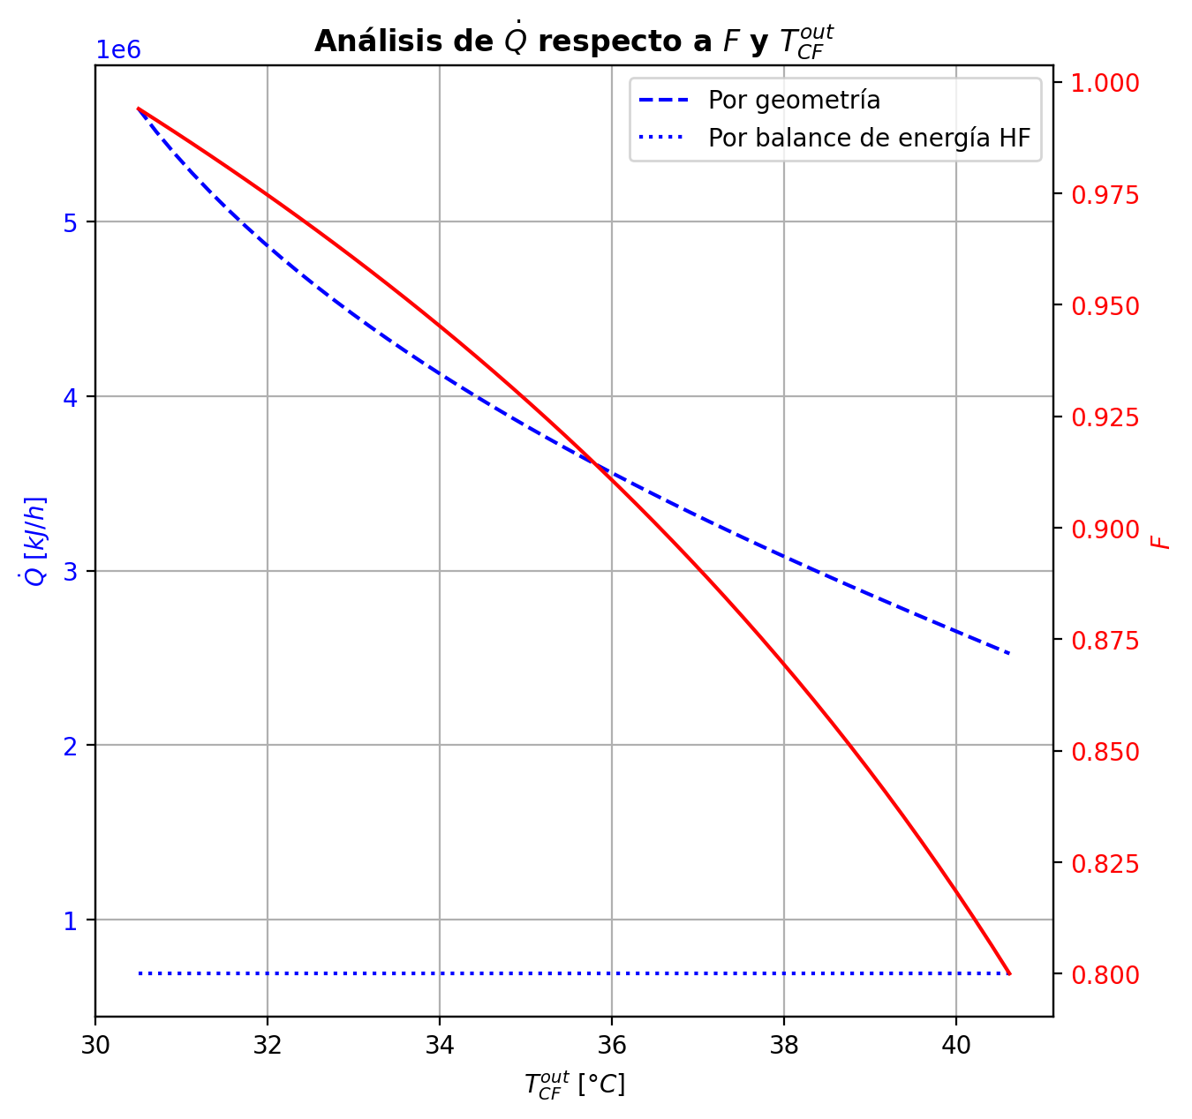
Etapas |  |  |  |  |  |  |  |  |  |  |  |  |  |  |  |  |  |  |  |  |  |  |  |  |  |  |  |  |  |  |  |  |  |  |  |  |  |  |  |  |  |  |  |  |  |  |  |  |  |  |  |  | Real | Simulación T [°C] |  | Ubicación
Ubicación de etapa |  |  |  | Flujos (cumplir balances de matería y energía ME) |  |  |  |  |  | Área R | Transferencia de masa RM |  |  |  |  |  |  |  |  |  |  |  |  |  |  |  |  |  |  | Transferencia de energía RE, cumplir equilibrio Q |  |  |  |  |  |  |  |  |  |  |  |  |  |  |  |  |  | Hidráulica H |  |  |  |  |  | g | l | Etapa | Posición [m]
Zona | s | z top [m] | z lower [m] | Fg [kmol/h] | Fl [kmol/h] | V [kmol/h] | L [kmol/h] | Vb [kmol/h] | Lb [kmol/h] | aefAtrZ [m2] | ya molar en Fg | xa molar en Fl | ya molar en V | yab molar | yaI molar | xaI molar | xab molar | xa molar en L | kbmg [m/h] | kbml [m/h] | Na [kmol/h] | Nw [kmol/h] | Nt [kmol/h] | Jag [kmol/h] | Γg,b≈1 | Ntyab [kmol/h] | Jal [kmol/h] | Γl,b | Ntxab [kmol/h] | Tg en Fg [°C] | Tl en Fl [°C] | Tg [°C] | Tg,b [°C] | TI [°C] | Tl,b [°C] | Tl [°C] | khg [kJ/h·m2·°C] | khl [kJ/h·m2·°C] | E [kJ/h] | Qg [kJ/h] | ΣNiĥig,b [kJ/h] | Ql [kJ/h] | ΣNiĥil,b [kJ/h] | hg en Fg [kJ/kmol] | hl en Fl [kJ/kmol] | hg en V [kJ/kmol] | hl en L [kJ/kmol] | P en Fg [bar] | P en Fl [bar] | P [bar] |  | TT1 [°C] | 199.0108 | - | 197.35923002 | 30 | 10.2497
Rectificación | 2 | 9.6416 | 9.5066 | - | - | 30.823982709 | 21.031112234 | 30.823982709 | 21.031112234 | 11.054358044 | - | - | 0.94762216892 | 0.94762216892 | 0.99958863798 | 0.86022942888 | 0.88776754677 | 0.88776754677 | 3.9063031584 | 0.11393655214 | -3.8739691297 | 1.1142617913 | -2.7597073383 | -1.2588092759 | 1.0000000002 | -2.6151598536 | -1.4239905162 | 1.1135298244 | -2.4499786136 | - | - | 77.710237833 | 77.710237833 | 44.971443845 | 44.721261177 | 44.721261177 | 76.932351564 | 2892.3598499 | -70165.269262 | 27842.306603 | -98007.575888 | 7999.1358116 | -78164.405073 | - | - | -55367.719396 | -91483.680341 | - | - | 14.7091358 |  | TT2 [°C] | 197.202 | 197.35769379 | 197.34180183 | 26 | 8.7696
Rectificación | 3 | 9.5066 | 9.3716 | - | - | 28.06427537 | 17.629076827 | 28.06427537 | 17.629076827 | 11.071317438 | - | - | 0.90276766049 | 0.90276766049 | 0.99816739038 | 0.71844214893 | 0.76615112789 | 0.76615112789 | 3.7876450814 | 0.092330329961 | -5.1642018188 | 1.7621664123 | -3.4020354065 | -2.092954274 | 0.99999999998 | -3.0712475448 | -2.557728555 | 1.3278873414 | -2.6064732638 | - | - | 98.190919757 | 98.190919757 | 55.643639836 | 55.048177934 | 55.048177934 | 69.282601604 | 2299.6367125 | -167775.92631 | 32635.877247 | -200411.80356 | 15160.464793 | -182936.3911 | - | - | -63312.480765 | -118655.07738 | - | - | 14.709147557 |  | TT3 [°C] | 188.3716 | 196.3589755 | 195.71721605 | 20 | 5.5946
Rectificación | 4 | 9.3716 | 9.2366 | - | - | 24.662239964 | 14.954889406 | 24.662239964 | 14.954889406 | 10.949725156 | - | - | 0.817902933 | 0.817902933 | 0.98220323013 | 0.49489551663 | 0.54818159502 | 0.54818159502 | 3.6045874147 | 0.091942158573 | -5.3085419669 | 2.6343545457 | -2.6741874213 | -3.1213162317 | 0.99999999999 | -2.1872257352 | -3.8426016404 | 1.6671214391 | -1.465940326 | - | - | 126.23458515 | 126.23458515 | 84.599136452 | 83.177872394 | 83.177872394 | 60.256813795 | 1887.3957964 | -380265.35597 | 27470.883764 | -407736.23974 | 29372.504232 | -409637.86021 | - | - | -78849.075499 | -165300.10781 | - | - | 14.70915807 |  | TT4 [°C] | 47.7219 | 177.40131769 | 175.16101731 | 8 | 3.9246
Rectificación | 5 | 9.2366 | 9.1016 | - | - | 21.988052543 | 14.161862215 | 21.988052543 | 14.161862215 | 10.656353107 | - | - | 0.67594783144 | 0.67594783144 | 0.86842213895 | 0.27752768701 | 0.31613444198 | 0.31613444198 | 3.4505402861 | 0.12692743224 | -3.7209427196 | 2.9279155286 | -0.79302719098 | -3.1848977093 | 1.0000000001 | -0.53604501002 | -3.4702395111 | 1.4707197978 | -0.2507032085 | - | - | 153.03568883 | 153.03568883 | 126.68465657 | 124.52932307 | 124.52932307 | 52.970899899 | 1829.1352301 | -531540.00342 | 14874.541452 | -546414.54487 | 42011.568611 | -573551.57203 | - | - | -105732.88254 | -212089.68064 | - | - | 14.70916724 |  | TT5 [°C] | 93.3627 | 77.710237833 | - | 1 | 0
Rectificación | 6 | 9.1016 | 8.9666 | - | - | 21.195025352 | 14.201613762 | 21.195025352 | 14.201613762 | 10.504299409 | - | - | 0.52568154695 | 0.52568154695 | 0.65391859964 | 0.1514539891 | 0.17353624414 | 0.17353624414 | 3.4612028616 | 0.15462830063 | -2.0125576958 | 2.0523092423 | 0.0397515465 | -2.0334543504 | 0.99999999998 | 0.020896654458 | -2.0194560301 | 1.2207359279 | 0.0068983340782 | - | - | 168.14492002 | 168.14492002 | 155.83090846 | 154.26565449 | 154.26565449 | 50.207486645 | 2039.3775517 | -401003.00528 | 6494.3416314 | -407497.34691 | 33531.234287 | -434534.23957 | - | - | -134767.48118 | -239732.46258 | - | - | 14.709175572
Rectificación | 7 | 8.9666 | 8.8316 | - | - | 21.234776898 | 14.30326896 | 21.234776898 | 14.30326896 | 10.514942244 | - | - | 0.42992097644 | 0.42992097644 | 0.49025151895 | 0.097739783996 | 0.10786222122 | 0.10786222122 | 3.5318811653 | 0.16472908961 | -0.921712352 | 1.0233675507 | 0.10165519874 | -0.96541605439 | 0.99999999991 | 0.043703702301 | -0.93267710765 | 1.1405871071 | 0.010964755534 | - | - | 174.75748084 | 174.75748084 | 169.77752183 | 169.02233108 | 169.02233108 | 49.744200975 | 2198.718874 | -203878.58239 | 2604.8044156 | -206483.3868 | 17459.558413 | -221338.1408 | - | - | -153399.45417 | -252282.63778 | - | - | 14.709183844 |  |  |  | Rectificación | Agotamiento |  | Simbología
Rectificación | 8 | 8.8316 | 8.6966 | - | - | 21.336432097 | 14.351708929 | 21.336432097 | 14.351708929 | 10.541572429 | - | - | 0.38467367127 | 0.38467367127 | 0.4091878401 | 0.077051130232 | 0.081178019551 | 0.081178019551 | 3.5761109923 | 0.1678773095 | -0.37773905268 | 0.42617902094 | 0.048439968256 | -0.39637263316 | 0.99999999987 | 0.018633580425 | -0.38167131344 | 1.1135318548 | 0.0039322606901 | - | - | 177.40131769 | 177.40131769 | 175.46553328 | 175.16101731 | 175.16101731 | 49.727780481 | 2272.1460672 | -85217.158692 | 1014.7556128 | -86231.914305 | 7293.7641365 | -92510.922827 | - | - | -162224.0191 | -257368.90284 | - | - | 14.709192317 |  | Transferencia de masa | Na [kmol/h] | -21.617668557 | -7.5916413861 |  | l-v
Rectificación | 9 | 8.6966 | 8.5616 | - | - | 21.384872065 | 14.369792667 | 21.384872065 | 14.369792667 | 10.555541043 | - | - | 0.36613848284 | 0.36613848284 | 0.375585236 | 0.069253900093 | 0.070855117869 | 0.070855117869 | 3.5951362908 | 0.16886772182 | -0.14686995475 | 0.1649536936 | 0.018083738845 | -0.15349110748 | 0.99999999984 | 0.0066211527049 | -0.14815128023 | 1.1028551117 | 0.0012813254474 | - | - | 178.42732378 | 178.42732378 | 177.65011464 | 177.53423368 | 177.53423368 | 49.739529043 | 2302.112258 | -32940.945902 | 408.05628082 | -33349.002183 | 2815.9120927 | -35756.857994 | - | - | -165841.48438 | -259337.39011 | - | - | 14.709200922 |  |  | Nw [kmol/h] | 12.175684213 | 10.906929295 |  | v-l
Rectificación | 10 | 8.5616 | 8.4266 | - | - | 21.402955804 | 14.375454614 | 21.402955804 | 14.375454614 | 10.561385452 | - | - | 0.35896699172 | 0.35896699172 | 0.36252716218 | 0.066328491635 | 0.066937092658 | 0.066937092658 | 3.6025601509 | 0.1691909566 | -0.055922215686 | 0.061584162472 | 0.0056619467862 | -0.057954667701 | 0.99999999982 | 0.0020324520051 | -0.056301209955 | 1.0986852141 | 0.00037899425665 | - | - | 178.83896579 | 178.83896579 | 178.47478188 | 178.43126281 | 178.43126281 | 49.742483908 | 2313.5625963 | -12215.127302 | 191.32385076 | -12406.451153 | 1063.3636652 | -13278.490967 | - | - | -167240.44591 | -260084.96805 | - | - | 14.709209582 |  |  | Nt [kmol/h] | -9.4419843431 | 3.3152879089
Rectificación | 11 | 8.4266 | 8.2916 | - | - | 21.408617751 | 14.375899576 | 21.408617751 | 14.375899576 | 10.563742355 | - | - | 0.35625991981 | 0.35625991981 | 0.35756996795 | 0.065232323679 | 0.065461648762 | 0.065461648762 | 3.6055063388 | 0.16928667492 | -0.021181048821 | 0.02162601051 | 0.00044496168906 | -0.02133957084 | 0.99999999981 | 0.00015852201566 | -0.021210176751 | 1.0970930403 | 2.9127925802E-05 | - | - | 179.03180075 | 179.03180075 | 178.78446246 | 178.76815826 | 178.76815826 | 49.739934609 | 2317.6410286 | -4164.2312794 | 129.96139585 | -4294.1926753 | 399.17508428 | -4563.4063636 | - | - | -167766.78633 | -260366.58545 | - | - | 14.709218264 |  |  | Jag [kmol/h] | -13.290430646 | -8.5004099553
Rectificación | 12 | 8.2916 | 8.1566 | - | - | 21.409062712 | 14.373515811 | 21.409062712 | 14.373515811 | 10.564780165 | - | - | 0.35526316572 | 0.35526316572 | 0.35570861427 | 0.064822732004 | 0.064908699856 | 0.064908699856 | 3.6068507566 | 0.1692914734 | -0.0081038650246 | 0.0057201000861 | -0.0023837649385 | -0.0072570011477 | 0.99999999979 | -0.00084686387838 | -0.0079491379436 | 1.0964930153 | -0.00015472708292 | - | - | 179.16277538 | 179.16277538 | 178.90028368 | 178.89418972 | 178.89418972 | 49.733568915 | 2318.7625262 | -896.65541137 | 137.9194982 | -1034.5749096 | 149.28514371 | -1045.940555 | - | - | -167957.80737 | -260472.14822 | - | - | 14.709226954 |  |  | Ntyab [kmol/h] | -8.3272379101 | 0.90876856932
Rectificación | 13 | 8.1566 | 8.0216 | - | - | 21.406678947 | 14.368716296 | 21.406678947 | 14.368716296 | 10.565392345 | - | - | 0.35492415932 | 0.35492415932 | 0.35501982383 | 0.064671444571 | 0.064703372842 | 0.064703372842 | 3.6077243247 | 0.16924680387 | -0.003261815906 | -0.0015376993605 | -0.0047995152665 | -0.0015583519855 | 0.99999999962 | -0.0017034639211 | -0.002951271081 | 1.096269784 | -0.00031054482575 | - | - | 179.30181085 | 179.30181085 | 178.94309377 | 178.94083874 | 178.94083874 | 49.722966746 | 2318.5467364 | 686.72084928 | 188.44937979 | 498.27146949 | 55.240084026 | 631.48076527 | - | - | -168018.39722 | -260511.35974 | - | - | 14.709235649 |  |  | Jal [kmol/h] | -14.866308034 | -7.8429242825
Rectificación | 14 | 8.0216 | 7.8866 | - | - | 21.401879432 | 14.360930313 | 21.401879432 | 14.360930313 | 10.565962145 | - | - | 0.35485134553 | 0.35485134553 | 0.35477756599 | 0.06461827726 | 0.064629730664 | 0.064629730664 | 3.6086194534 | 0.16915898351 | -0.0015613495047 | -0.0062246327513 | -0.0077859822561 | 0.0012015167749 | 1.0000000002 | -0.0027628662799 | -0.0010581435689 | 1.0961897502 | -0.00050320593616 | - | - | 179.49189352 | 179.49189352 | 178.95815881 | 178.95736014 | 178.95736014 | 49.706436315 | 2317.4887405 | 1826.1227632 | 280.31551037 | 1545.8072529 | 19.556671678 | 1806.5660916 | - | - | -168023.98953 | -260525.44059 | - | - | 14.709244346 |  |  | Ntxab [kmol/h] | -6.7513605225 | 0.25128289646
Rectificación | 15 | 7.8866 | 7.7516 | - | - | 21.39409345 | 14.348835229 | 21.39409345 | 14.348835229 | 10.566697481 | - | - | 0.35490750668 | 0.35490750668 | 0.35471158879 | 0.064603809326 | 0.064607298927 | 0.064607298927 | 3.6098263725 | 0.16901712995 | -0.0011035713328 | -0.010991513001 | -0.012095084334 | 0.0031890648909 | 1 | -0.0042926362239 | -0.00032214060385 | 1.0961655198 | -0.0007814307291 | - | - | 179.7749003 | 179.7749003 | 178.9622794 | 178.96205251 | 178.96205251 | 49.681053956 | 2315.5941073 | 3089.1316972 | 426.59726138 | 2662.5344359 | 5.5514169615 | 3083.5802803 | - | - | -167999.78234 | -260529.7577 | - | - | 14.709253047 |  | Transferencia de energía | E [kJ/h] | -1884460.2859 | -2273140.2069
Agotamiento | 16 | 6.8706 | 6.5856 | - | 31.867507426 | 21.381998366 | 48.298432394 | 21.381998366 | 48.298432394 | 18.457557241 | - | 0.209146 | 0.35505665386 | 0.35505665386 | 0.4783176391 | 0.094504541079 | 0.099993148181 | 0.099993148181 | 3.6116164141 | 0.55296289232 | -2.7624888877 | 4.8445786269 | 2.0820897392 | -3.5017487037 | 0.99999999996 | 0.73925981586 | -2.9706835955 | 1.1334073909 | 0.20819470782 | - | 121.39754572 | 180.20621635 | 180.20621635 | 170.65606832 | 169.79605616 | 169.79605616 | 49.642269473 | 7453.4409631 | -1033309.7706 | 8750.5621816 | -1042060.3328 | 118313.86156 | -1151623.6321 | - | -235031.10549 | -167950.34074 | -253868.77436 | - | 18.6326 | 14.709261751 |  |  | Qg [kJ/h] | 114700.1339 | 18971.244181
Agotamiento | 17 | 6.5856 | 6.3006 | - | - | 23.464088105 | 48.897450248 | 23.464088105 | 48.897450248 | 18.795103718 | - | - | 0.20581800935 | 0.20581800935 | 0.27954365647 | 0.048910028051 | 0.052944132546 | 0.052944132546 | 4.0638761339 | 0.58616646409 | -2.2406792202 | 2.8396970738 | 0.59901785358 | -2.3639678823 | 1 | 0.12328866219 | -2.2723937009 | 1.0824320907 | 0.031714480637 | - | - | 188.36738169 | 188.36738169 | 183.4307531 | 183.07942669 | 183.07942669 | 53.696882341 | 8047.4495691 | -580815.84012 | 4982.2355 | -585798.07562 | 53139.050737 | -633954.89086 | - | - | -197085.16526 | -262637.00071 | - | - | 14.709286195 |  |  | ΣNiĥig,b [kJ/h] | -1999160.4198 | -2292111.4511
Agotamiento | 18 | 6.3006 | 6.0156 | - | - | 24.063105958 | 49.220947788 | 24.063105958 | 49.220947788 | 18.949061775 | - | - | 0.10757766222 | 0.10757766222 | 0.14695804048 | 0.024313691893 | 0.02659030508 | 0.02659030508 | 4.2317650876 | 0.59885490683 | -1.2800330691 | 1.6035306089 | 0.32349753972 | -1.3148341781 | 1.0000000001 | 0.034801109056 | -1.2886349674 | 1.0471847963 | 0.0086018982737 | - | - | 192.96269108 | 192.96269108 | 190.48963764 | 190.30806352 | 190.30806352 | 54.86219421 | 8413.4442541 | -327959.13967 | 2570.954468 | -330530.09414 | 28947.794162 | -356906.93383 | - | - | -216316.19505 | -267573.8564 | - | - | 14.709315235 |  |  | Ql [kJ/h] | 157336.31444 | 228623.68336
Agotamiento | 19 | 6.0156 | 5.7306 | - | - | 24.386603498 | 49.383697472 | 24.386603498 | 49.383697472 | 19.039964696 | - | - | 0.05366141356 | 0.05366141356 | 0.073379069334 | 0.011865665516 | 0.013047376571 | 0.013047376571 | 4.3231186707 | 0.60362781372 | -0.66447232061 | 0.82722200508 | 0.16274968447 | -0.67320569868 | 1.0000000001 | 0.0087333781251 | -0.66659577701 | 1.0249646313 | 0.0021234564201 | - | - | 195.25778349 | 195.25778349 | 194.03667838 | 193.94788028 | 193.94788028 | 55.754115848 | 8617.3261891 | -169253.25904 | 1296.2719389 | -170549.53098 | 14569.422699 | -183822.68174 | - | - | -226895.0107 | -270119.34621 | - | - | 14.709345867 |  |  | ΣNiĥil,b [kJ/h] | -2041796.6003 | -2501763.8903
Agotamiento | 20 | 5.7306 | 5.4456 | - | - | 24.549353183 | 49.462287802 | 24.549353183 | 49.462287802 | 19.087718377 | - | - | 0.026238870339 | 0.026238870339 | 0.035877587178 | 0.0057490452296 | 0.0063385357179 | 0.0063385357179 | 4.369126165 | 0.60546713783 | -0.33080921947 | 0.40939954957 | 0.078590330102 | -0.33287134092 | 1.0000000001 | 0.0020621214815 | -0.33130736707 | 1.0126090167 | 0.00049814761444 | - | - | 196.3589755 | 196.3589755 | 195.75973764 | 195.71721605 | 195.71721605 | 56.349314393 | 8723.0399546 | -83763.198661 | 644.52816718 | -84407.726828 | 7079.9683772 | -90843.167039 | - | - | -232285.22064 | -271383.63124 | - | - | 14.709377343
Agotamiento | 21 | 5.4456 | 5.1606 | - | - | 24.627943513 | 49.499967259 | 24.627943513 | 49.499967259 | 19.111484167 | - | - | 0.012722868049 | 0.012722868049 | 0.017394657255 | 0.0027769584757 | 0.003065672052 | 0.003065672052 | 4.3914157978 | 0.60622587579 | -0.16176781173 | 0.1994472683 | 0.037679456566 | -0.16224720247 | 1.0000000001 | 0.00047939075406 | -0.16188332458 | 1.0062172723 | 0.00011551285693 | - | - | 196.88267102 | 196.88267102 | 196.5902619 | 196.56992157 | 196.56992157 | 56.69473981 | 8775.8605977 | -40804.185185 | 316.83130686 | -41121.016492 | 3411.4741293 | -44215.659314 | - | - | -234945.119 | -272001.38109 | - | - | 14.709409236 |  | Hidráulica | ΔP [bar] en C-1 | 0.1254297283
Agotamiento | 22 | 5.1606 | 4.8756 | - | - | 24.665622969 | 49.51804466 | 24.665622969 | 49.51804466 | 19.123084434 | - | - | 0.0061450004368 | 0.0061450004368 | 0.0084021948738 | 0.0013392015997 | 0.00147941771 | 0.00147941771 | 4.402125224 | 0.60655951083 | -0.07849279397 | 0.096570195105 | 0.018077401136 | -0.078603879598 | 1.0000000001 | 0.00011108563787 | -0.078519537993 | 1.0030287169 | 2.674402739E-05 | - | - | 197.13258595 | 197.13258595 | 196.99022896 | 196.9804714 | 196.9804714 | 56.878430532 | 8801.7711805 | -19755.379754 | 154.84042323 | -19910.220178 | 1642.3631783 | -21397.742933 | - | - | -236240.50817 | -272301.03552 | - | - | 14.709441327
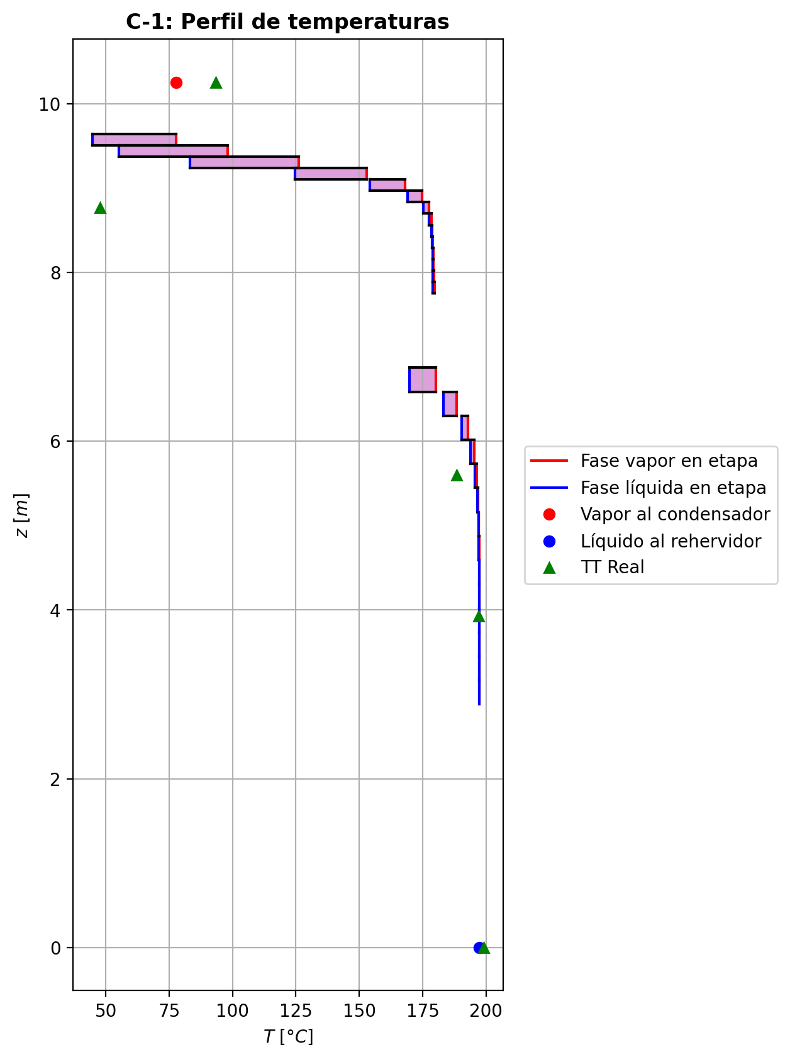
Agotamiento | 23 | 4.8756 | 4.5906 | - | - | 24.68370037 | 49.526714977 | 24.68370037 | 49.526714977 | 19.1287058 | - | - | 0.0029605557053 | 0.0029605557053 | 0.0040497365879 | 0.00064500497661 | 0.00071283554991 | 0.00071283554991 | 4.4072703787 | 0.60671255157 | -0.03795346913 | 0.04662378607 | 0.0086703169399 | -0.037979138081 | 1.0000000001 | 2.5668956283E-05 | -0.037959649638 | 1.001466029 | 6.1805101438E-06 | - | - | 197.25271033 | 197.25271033 | 197.18293432 | 197.1782422 | 197.1782422 | 56.971405109 | 8814.3648848 | -9535.9070697 | 76.041145001 | -9611.9482147 | 791.12678054 | -10327.03385 | - | - | -236867.83572 | -272445.90624 | - | - | 14.709473511
Agotamiento | 24 | 4.5906 | 4.3056 | - | - | 24.692370687 | 49.530842704 | 24.692370687 | 49.530842704 | 19.131421603 | - | - | 0.0014224636945 | 0.0014224636945 | 0.0019477442594 | 0.00031011346156 | 0.00034286629334 | 0.00034286629334 | 4.4097456127 | 0.60678418861 | -0.018321946663 | 0.022449673956 | 0.0041277272927 | -0.018327818203 | 1.0000000001 | 5.8715422148E-06 | -0.018323361921 | 1.0007067042 | 1.4152585568E-06 | - | - | 197.31122116 | 197.31122116 | 197.27583987 | 197.27357991 | 197.27357991 | 57.01714051 | 8820.4536674 | -4588.1891526 | 38.594576801 | -4626.7837294 | 381.36387474 | -4969.5530274 | - | - | -237170.8519 | -272515.83453 | - | - | 14.709505741
Agotamiento | 25 | 4.3056 | 4.0206 | - | - | 24.696498415 | 49.532741305 | 24.696498415 | 49.532741305 | 19.132731424 | - | - | 0.0006803415566 | 0.0006803415566 | 0.00093360578273 | 0.00014862176835 | 0.0001644229293 | 0.0001644229293 | 4.4109398282 | 0.6068174629 | -0.0088381380225 | 0.010736738952 | 0.0018986009291 | -0.0088394297182 | 1.0000000002 | 1.2916971115E-06 | -0.0088384501954 | 1.0003392646 | 3.1217352634E-07 | - | - | 197.34082451 | 197.34082451 | 197.32066798 | 197.31957805 | 197.31957805 | 57.039068539 | 8823.3799538 | -2187.9855952 | 21.997079483 | -2209.9826747 | 183.99731044 | -2371.9829057 | - | - | -237316.99458 | -272549.56144 | - | - | 14.709537993
Agotamiento | 26 | 4.0206 | 3.7356 | - | - | 24.698397016 | 49.533486851 | 24.698397016 | 49.533486851 | 19.13336173 | - | - | 0.00032244668137 | 0.00032244668137 | 0.00044454385838 | 7.0762034285E-05 | 7.8381874597E-05 | 7.8381874597E-05 | 4.4115222582 | 0.60683160152 | -0.0042617908675 | 0.0050073372282 | 0.00074554636069 | -0.0042620312657 | 1.0000000002 | 2.4039894981E-07 | -0.0042618493044 | 1.0001618136 | 5.843732135E-08 | - | - | 197.35769379 | 197.35769379 | 197.34232833 | 197.34180183 | 197.34180183 | 57.0489771 | 8824.7631551 | -1008.552031 | 16.772002113 | -1025.3240331 | 88.897374866 | -1097.4494058 | - | - | -237387.33985 | -272565.82022 | - | - | 14.709570255
Agotamiento | 27 | 3.7356 | 3.4506 | - | - | 24.699142562 | 49.533531205 | 24.699142562 | 49.533531205 | 19.13366303 | - | - | 0.00014988881807 | 0.00014988881807 | 0.00020874792813 | 3.3227074112E-05 | 3.6900873497E-05 | 3.6900873497E-05 | 4.4118188707 | 0.60683480941 | -0.002054696986 | 0.002099051053 | 4.4354067066E-05 | -0.0020547036338 | 1.0000000002 | 6.6481786893E-09 | -0.0020546986225 | 1.000076198 | 1.6367038179E-09 | - | - | 197.37056187 | 197.37056187 | 197.35282265 | 197.35256763 | 197.35256763 | 57.052423708 | 8825.3755409 | -400.15062185 | 19.364519499 | -419.51514135 | 43.064582711 | -443.21520457 | - | - | -237421.00777 | -272573.65453 | - | - | 14.709602522
Agotamiento | 28 | 3.4506 | 3.1656 | - | - | 24.699186916 | 49.532970899 | 24.699186916 | 49.532970899 | 19.133803487 | - | - | 6.6699697686E-05 | 6.6699697686E-05 | 9.5073131576E-05 | 1.5132835385E-05 | 1.6903940943E-05 | 1.6903940943E-05 | 4.41199402 | 0.60682949872 | -0.00099052815417 | 0.00043022131015 | -0.00056030684401 | -0.00099049078168 | 1.0000000002 | -3.7372297107E-08 | -0.00099051868268 | 1.0000349098 | -9.4713938013E-09 | - | - | 197.385402 | 197.385402 | 197.35793492 | 197.35781072 | 197.35781072 | 57.051609905 | 8825.5685963 | -34.134323232 | 29.983456091 | -64.117779323 | 20.973461268 | -55.10778449 | - | - | -237436.78238 | -272577.42695 | - | - | 14.709634792
Agotamiento | 29 | 3.1656 | 2.8806 | 24.697286275 | - | 24.698626609 | 49.531630564 | 24.698626609 | 49.531630564 | 19.133862381 | 7.2642251497E-06 | - | 2.6596626476E-05 | 2.6596626476E-05 | 4.0274267066E-05 | 6.41042392E-06 | 7.2642251497E-06 | 7.2642251497E-06 | 4.4121404364 | 0.60681410044 | -0.0004774934984 | -0.00086284112579 | -0.0013403346242 | -0.00047745784993 | 1.0000000002 | -3.5648379352E-08 | -0.00047748376186 | 1.0000150028 | -9.7364924861E-09 | 197.76161214 | - | 197.40833775 | 197.40833775 | 197.3604529 | 197.36039176 | 197.36039176 | 57.046665317 | 8825.4724069 | 275.48488532 | 52.26741663 | 223.21746869 | 10.325138538 | 265.1597468 | -237445.28257 | - | -237443.55084 | -272579.24115 | 14.834565528 | - | 14.709667064

